Strategy Analysis
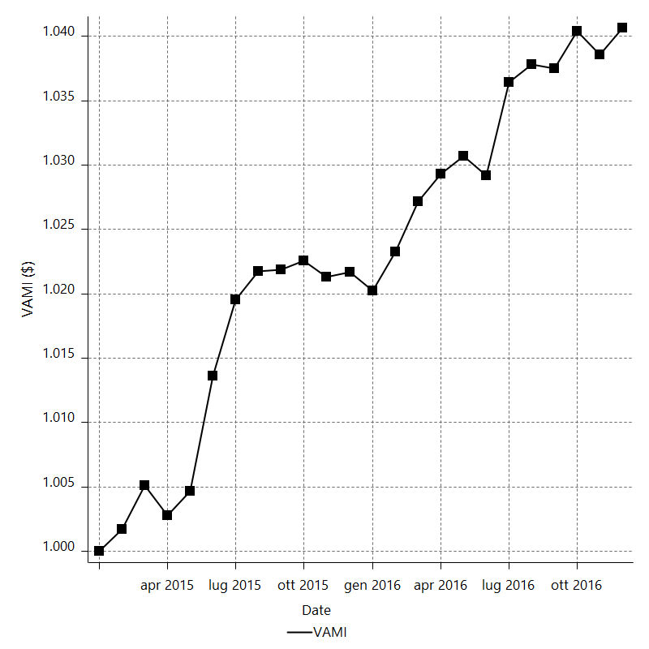
Strategy Performance Summary

 | All Trades | Long Trades | Short Trades
Net Profit | 4441.7 | 1402.9 | 3038.8
Gross Profit | 16122.5 | 7405.1 | 8717.4
Gross Loss | -11680.8 | -6002.2 | -5678.6
Adjusted Net Profit | 2666.4228862 | 181.2439609 | 1751.5175206
Adjusted Gross Profit | 15059.413832 | 6692.5439203 | 7928.1636874
Adjusted Gross Loss | -12392.990946 | -6511.2999594 | -6176.6461668
Select Net Profit | -3190.2 | -2282.6 | -907.6
Select Gross Profit | 8490.6 | 3719.6 | 4771
Select Gross Loss | -11680.8 | -6002.2 | -5678.6
Account Size Required | 624.7 | 851.9 | 396.6
Return on Account | 711.01328638 | 164.67895293 | 766.21280888
Return on Initial Capital | 4.4417 | 1.4029 | 3.0388
Max Strategy Drawdown | -721.3 | -960.9 | -512.6
Max Strategy Drawdown (%) | -0.70238409397 | -0.95349326432 | -0.5000365809
Max Close To Close Drawdown | -624.7 | -851.9 | -396.6
Max Close To Close Drawdown (%) | -0.60887533017 | -0.84612351476 | -0.38725628046
Return on Max Strategy Drawdown | 6.1579093304 | 1.4599854303 | 5.9282091299
Profit Factor | 1.3802564893 | 1.2337309653 | 1.5351318987
Adjusted Profit Factor | 1.2151557197 | 1.0278352959 | 1.2835709661
Select Profit Factor | -0.72688514485 | -0.61970610776 | -0.84017187335
Max # Contracts Held | 20 | 20 | 20
Slippage Paid | 1417.5 | 703.5 | 714
Commission Paid | 1000 | 496 | 504
Open Position P/L | n/a | n/a | n/a
Annual Rate of Return | 2.310132885 | 0.72964977924 | 1.5804831058
Monthly Rate of Return | 0.19251107375 | 0.06080414827 | 0.13170692548
Buy & Hold Return | -5209.2602987 | -4655.8063317 | -5209.2602987
Avg Monthly Return | 185.07083333
Monthly Return StdDev | 283.29876299
Total # of Trades | 500 | 248 | 252
% Profitable | 46 | 43.548387097 | 48.412698413

Performance Ratios

Upside Potential Ratio | n/a
Sharpe Ratio | 0.053641193626
Annualized Sharpe Ratio | 0.18581854548
Sortino Ratio | 0.12224722884
Fouse Ratio | 0.0018116492273
Calmar Ratio | 0.19710632623
Sterling Ratio | 0.0019983680453
Net Profit as % of Largest loss | 8709.2156863
Net Profit as % of Max Trade Drawdown | 6994.8031496
Net Profit as % of Max Strategy Drawdown | 615.79093304
Select Net Profit as % of Largest loss | -6255.2941176
Select Net Profit as % of Max Trade Drawdown | -5023.9370079
Select Net Profit as % of Max Strategy Drawdown | -442.28476362
Adj Net Profit as % of Largest loss | 5228.2801691
Adj Net Profit as % of Max Trade Drawdown | 4199.0911594
Adj Net Profit as % of Max Strategy Drawdown | 369.66905396

Time Analysis

Trading Period | 1 Yr, 11 Mths, 8 Dys, 6 Hrs, 25 Mins
Time in the Market | 6 Mths, 2 Dys, 19 Hrs, 10 Mins
Percent in the Market | 26.029774589
Longest flat period | 3 Dys, 16 Hrs
Max Run-up Date | 2016-03-30
Max Drawdown Date | 2015-06-04
Max Strategy Drawdown Date | 1/5/16
Max Close To Close Drawdown Date | 1/4/16

Equity Curve Detailed

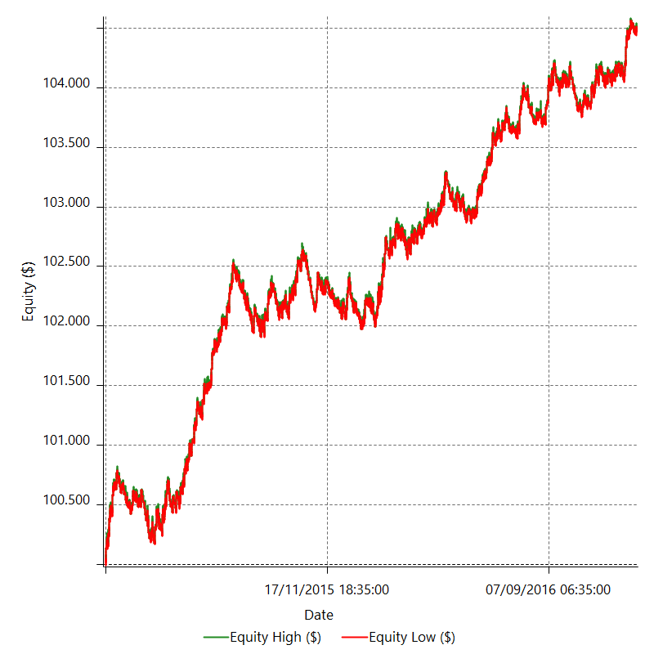

Equity Curve Detailed with DrawDown

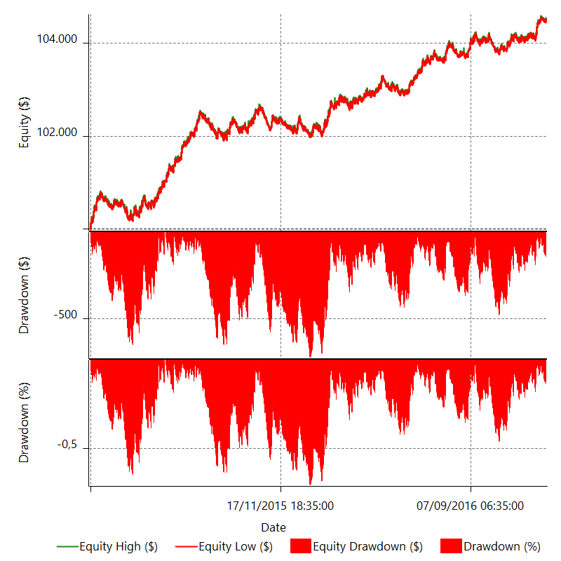

Equity Curve Detailed Long

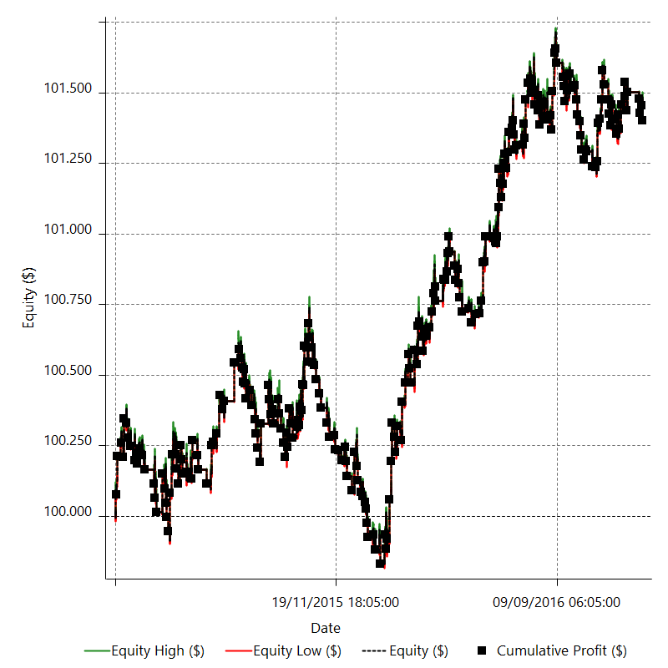

Equity Curve Detailed Short

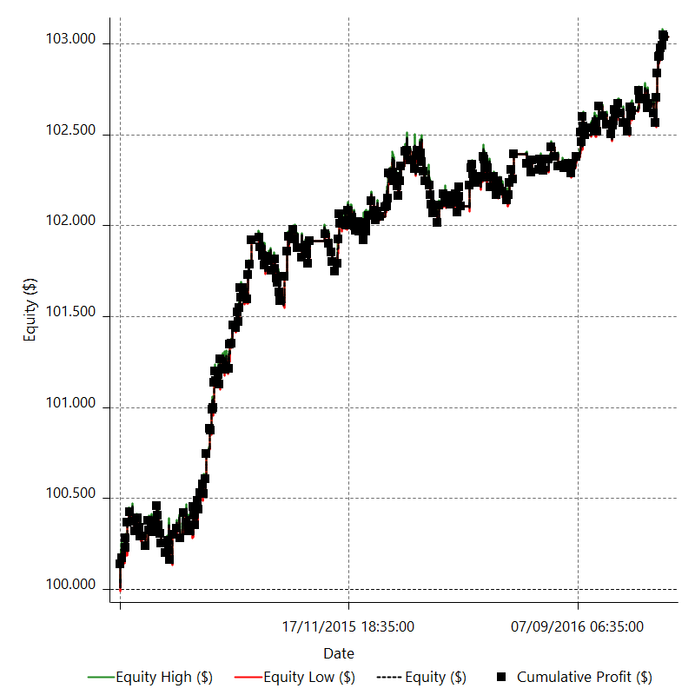

Equity Run-up & Drawdown

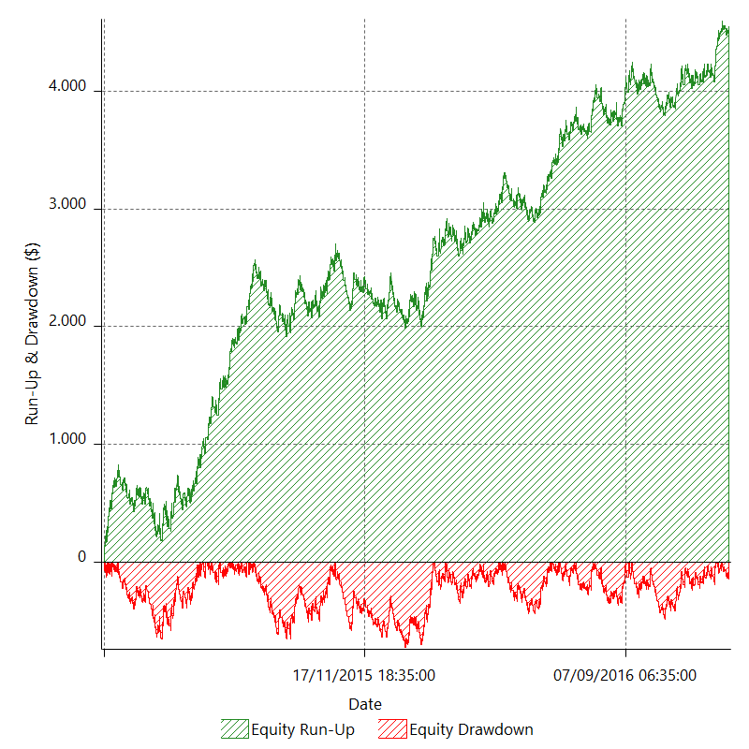

Equity Run-up & Drawdown (%)

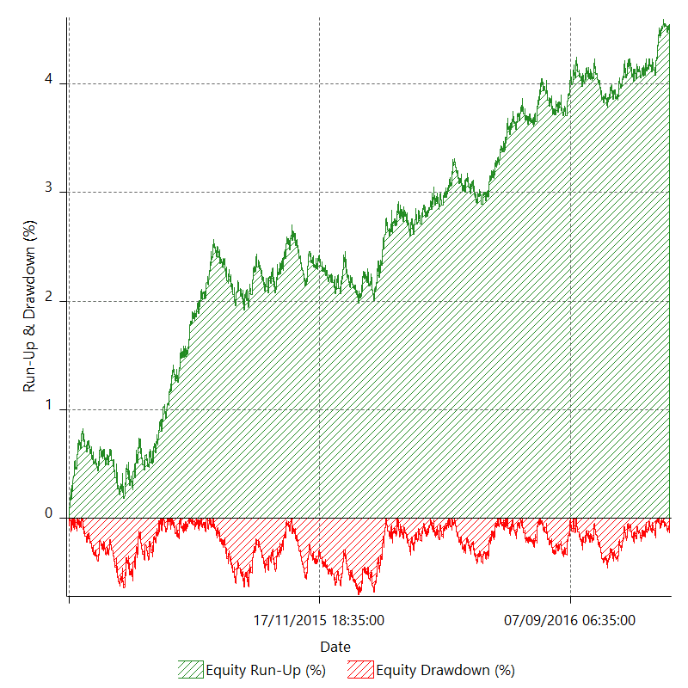

Equity Curve Close To Close

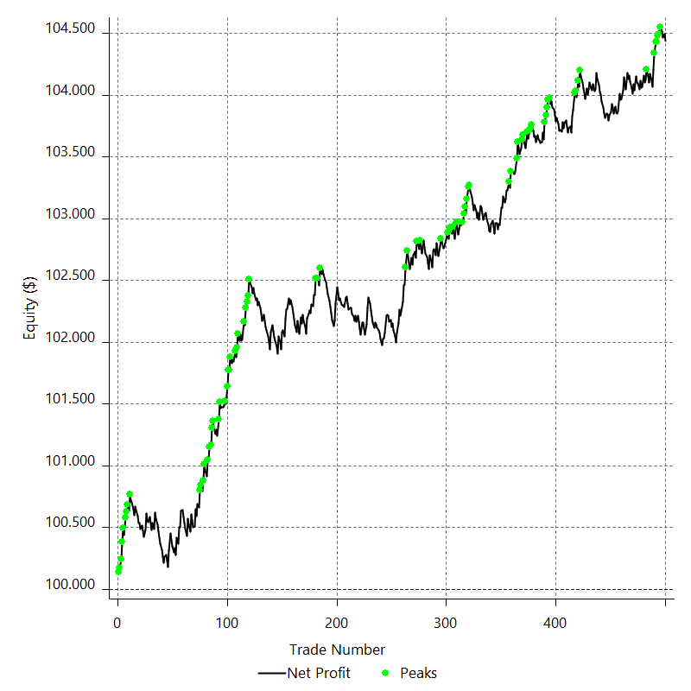

Equity Curve Close To Close With Drawdown

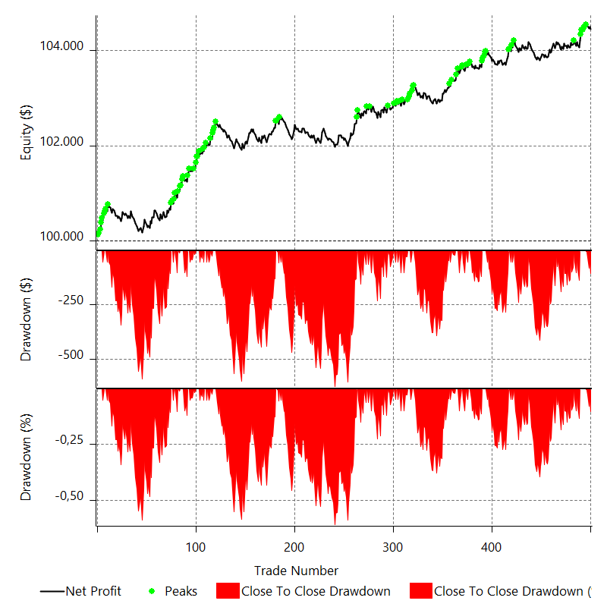

Buy & Hold Return

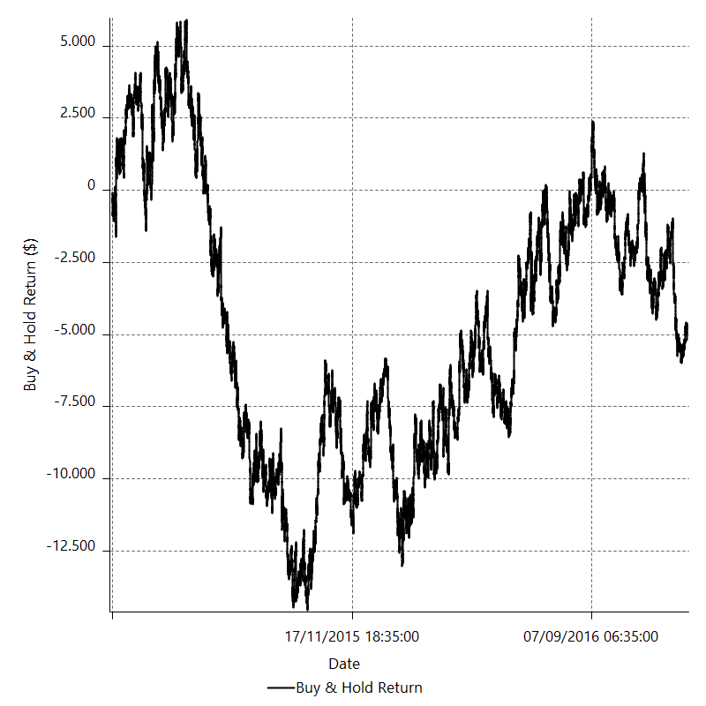

Value Added Monthly Index

Trade Analysis
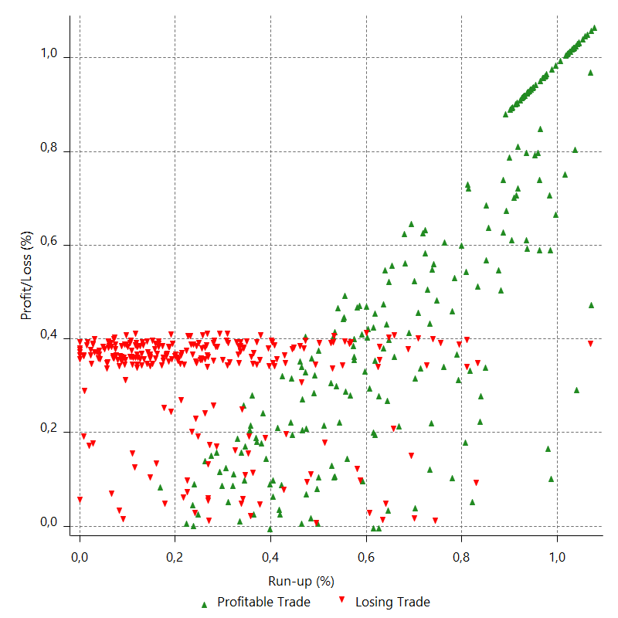
Total Trade Analysis

 | All Trades | Long Trades | Short Trades
Total # of Trades | 500 | 248 | 252
Total # of Open Trades | 0 | 0 | 0
Number Winning Trades | 230 | 108 | 122
Number Losing Trades | 269 | 139 | 130
% Profitable | 46 | 43.548387097 | 48.412698413
Avg Trade (win & loss) | 8.8834 | 5.6568548387 | 12.058730159
Average Winning Trade | 70.097826087 | 68.565740741 | 71.454098361
Average Losing Trade | -43.423048327 | -43.181294964 | -43.681538462
Ratio Avg Win / Avg Loss | 1.6142999809 | 1.5878574461 | 1.6357962855
Largest Winning Trade | 136.5 | 136.5 | 136.5
Largest Losing Trade | -51 | -51 | -51
Avg # Bars in Trades | 18.6 | 18.3 | 19
Avg # Bars in Winning Trades | 23.4 | 23.1 | 23.7
Avg # Bars in Losing Trades | 14.5 | 14.5 | 14.5
Avg # Bars Between Trades | 27 | 27 | n/a
Avg # Bars Between Winning Trades | 81.1 | 199.6 | 173.4
Avg # Bars Between Losing Trades | 74.9 | 158.5 | 170.5

Outliers

 | Total | Positive | Negative
1 Std. Deviation of Avg. Trade | 65.640599029 | 46.266185834 | 15.202176923
Avg. Trade +1 Std. Deviation | 74.523999029 | 116.36401192 | -28.220871404
Avg. Trade - 1 Std. Deviation | -56.757199029 | 23.831640253 | -58.625225251
Number of Outliers | 56 | 56 | 0
Outlier Profit/Loss |  | 7631.9

Run-up/Drawdown

 | Run-up | Drawdown
Max Value | 147.5 | -63.5
Max Value Date | 2016-03-30 | 2015-06-04
Avg Value | 64.8902 | -32.1576
Max Value (%) | 1.0767086387 | -0.44541398951
Max Value (%) Date | 2015-09-18 | 2015-06-04
Avg Value (%) | 0.46698317824 | -0.23168172005
1 Std. Deviation | 43.514397727 | 17.818907631
Avg. Trade +1 Std. Deviation | 108.40459773 | -14.338692369
Avg. Trade - 1 Std. Deviation | 21.375802273 | -49.976507631

Trade Series Analysis

Z-score | 0.91011443622
Confidence Limits | 0.63723815297
Strategy ME | 8.8834
Max Consec. Winners | 7
Max Consec. Losers | 10
Largest Consec. Profit | 531.5
Largest Consec. Loss | -453.4
Largest Consec. Profit (%) | 0.52000070442
Largest Consec. Loss (%) | -0.44197408593

Trade Series Statistics

Consecutive Winners | Number of Series | Avg. Gain per Series | Avg. Loss Next Trade
1 | 74 | 71.008108108 | -40.275675676
2 | 32 | 65.146875 | -45.2125
3 | 12 | 72.75 | -46.266666667
4 | 7 | 71.214285714 | -48.257142857
5 | 3 | 71.666666667 | -36.333333333
6 | 1 | 88.583333333 | -51
7 | 1 | 68.428571429 | -7
Consecutive Losers | Number of Series | Avg. Loss per Series | Avg. Gain Next Trade
1 | 61 | -42.514754098 | 77.414754098
2 | 36 | -46.175 | 68.483333333
3 | 15 | -39.871111111 | 56.986666667
4 | 7 | -38.607142857 | 65.528571429
5 | 5 | -47.896 | 93.86
6 | 2 | -38.716666667 | 93.25
8 | 2 | -48.2625 | 42.7
10 | 1 | -45.34 | 41.2

Total Trades

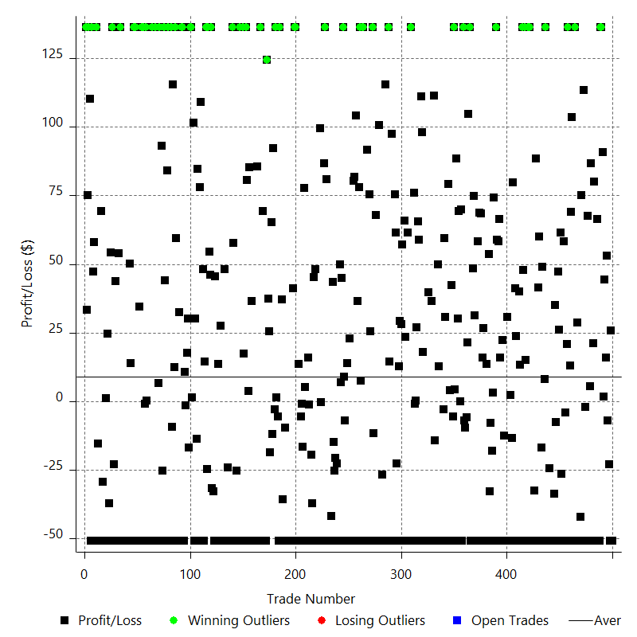

Winning Trades

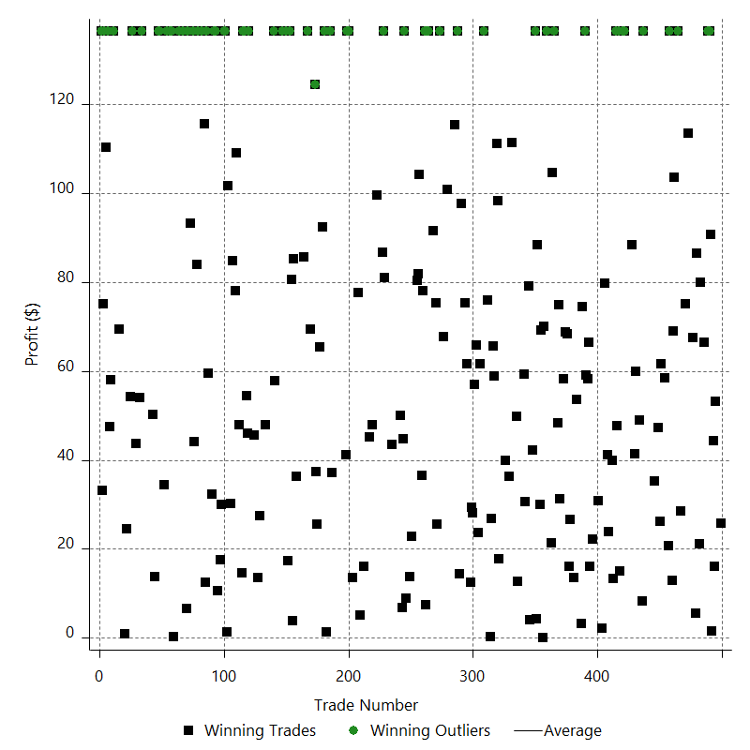

Losing Trades

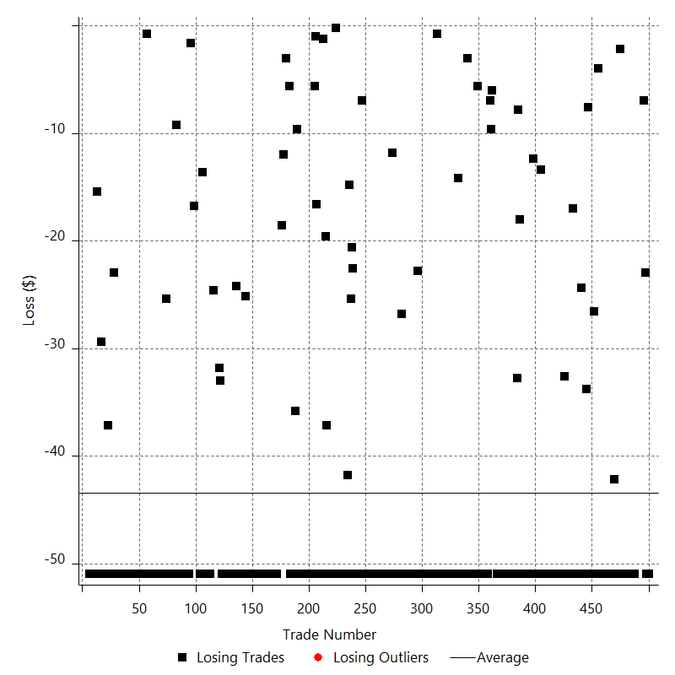

Drawdown

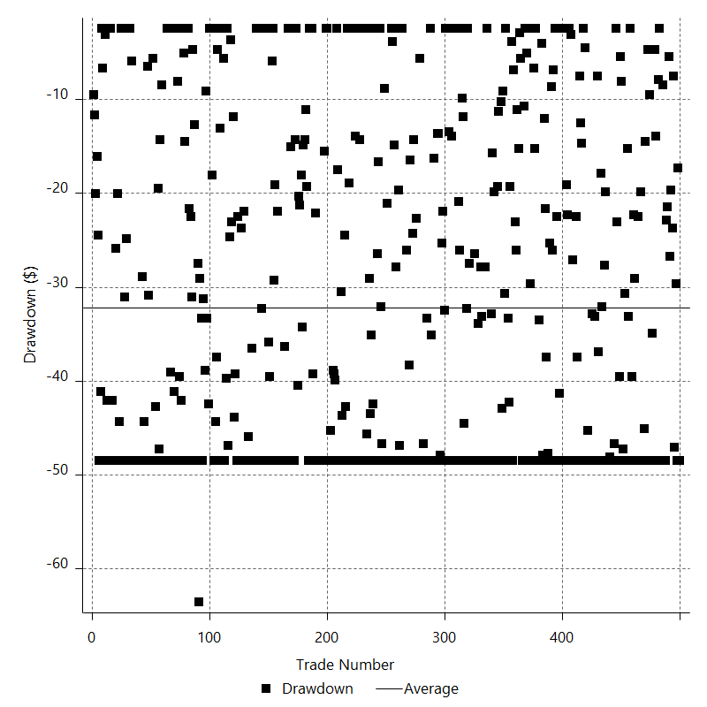

Drawdown P/L

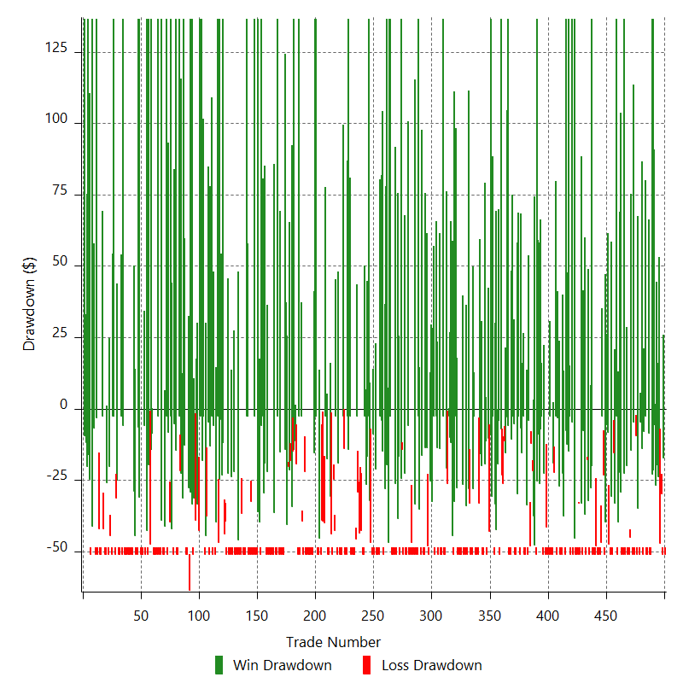

Maximum Adverse Excursion

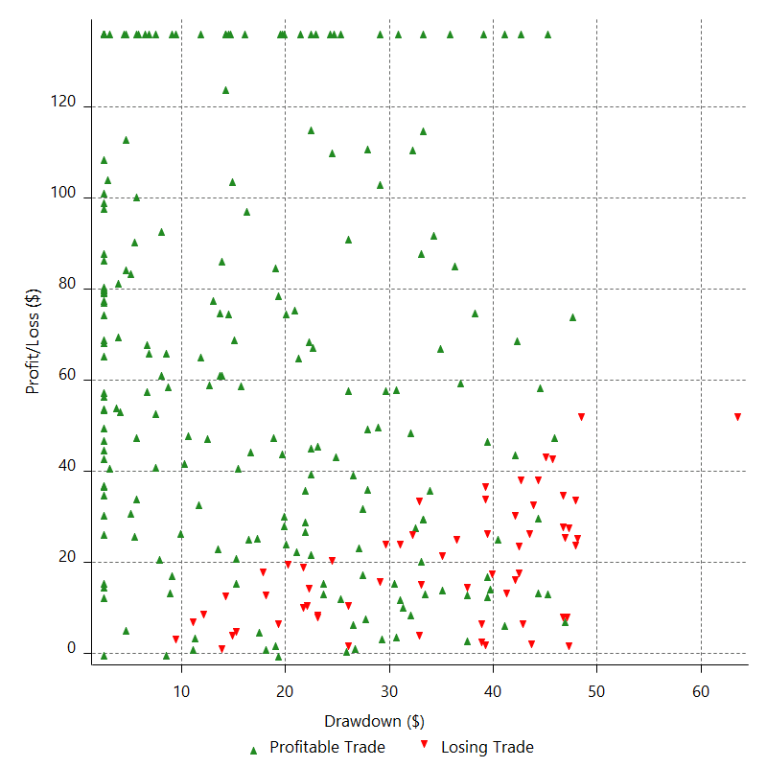

Maximum Adverse Excursion (%)

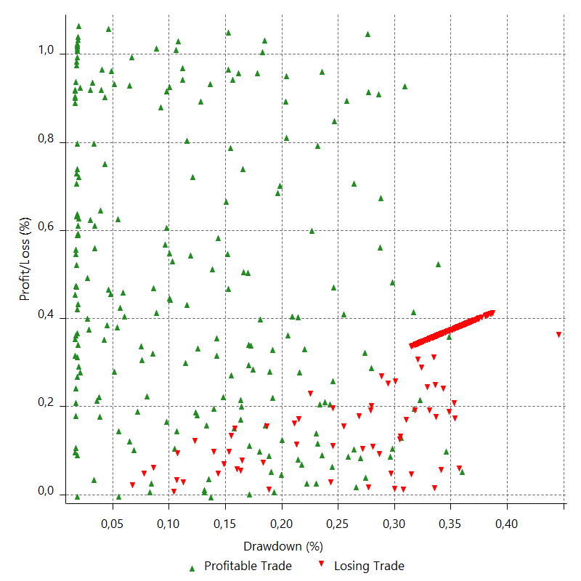

Run-up

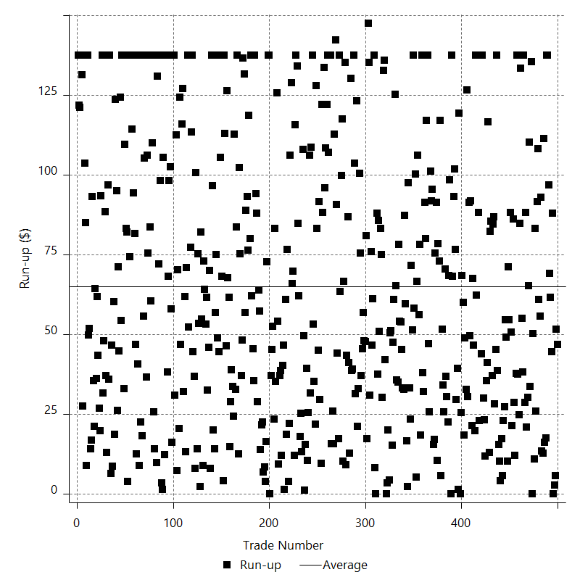

Run-up P/L

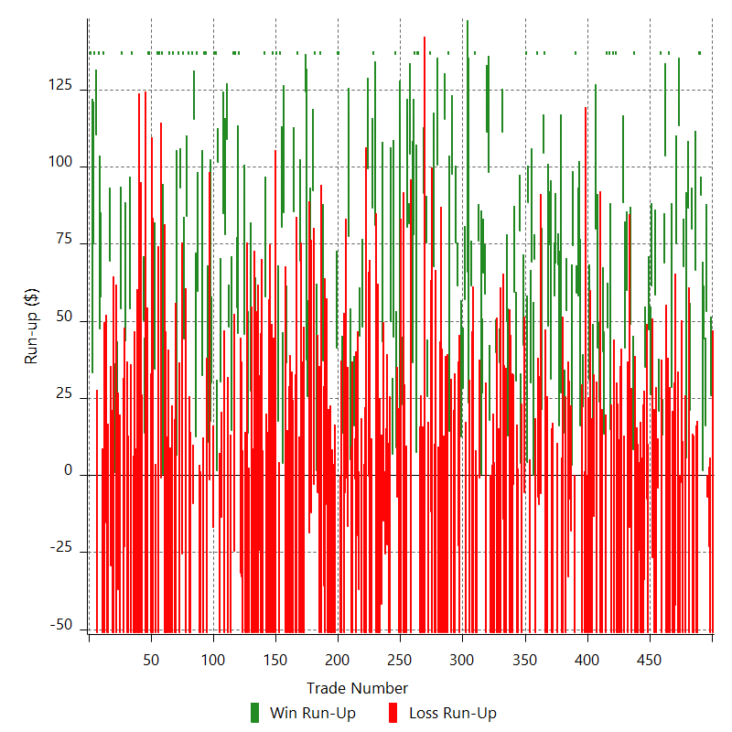

Maximum Favorable Excursion

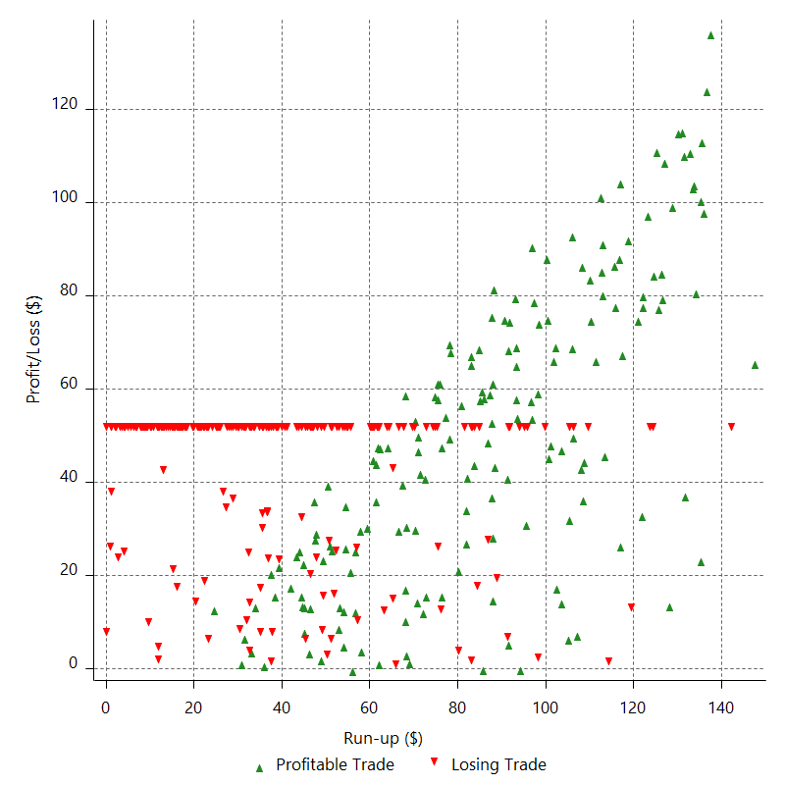

Maximum Favorable Excursion (%)

Periodical Analysis
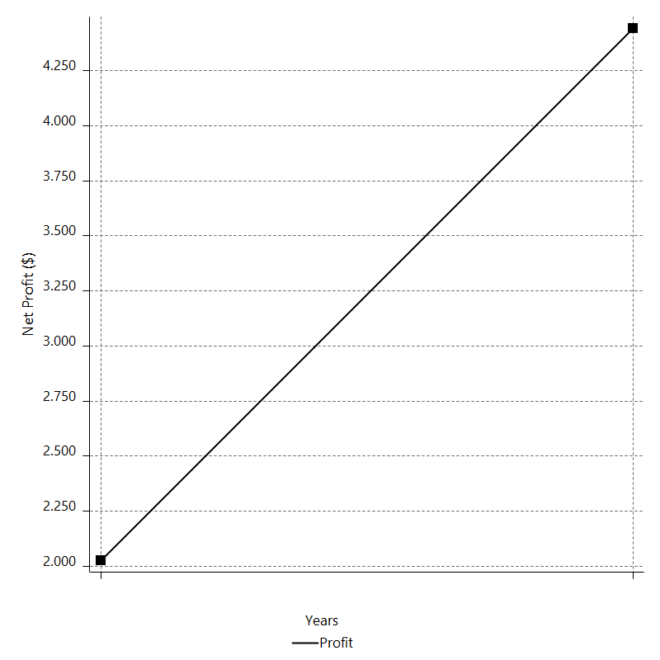
Daily Period Analysis

Period | Profit ($) | Profit (%) | Gross Profit | Gross Loss | # Trades | % Profitable
2016-12-30 | -51 | -0.048807237252 | 0 | -51 | 1 | 0
2016-12-29 | 25.8 | 0.024696817844 | 25.8 | 0 | 1 | 100
2016-12-28 | -51 | -0.048795469484 | 0 | -51 | 1 | 0
2016-12-27 | -23 | -0.022000958477 | 0 | -23 | 1 | 0
2016-12-26 | -7 | -0.0066954955575 | 0 | -7 | 1 | 0
2016-12-23 | 53.2 | 0.050911673032 | 53.2 | 0 | 1 | 100
2016-12-22 | 16 | 0.015314126229 | 16 | 0 | 1 | 100
2016-12-21 | 44.4 | 0.042514767658 | 44.4 | 0 | 1 | 100
2016-12-20 | 1.6 | 0.0015320871719 | 1.6 | 0 | 1 | 100
2016-12-19 | 90.8 | 0.087021608769 | 90.8 | 0 | 1 | 100
2016-12-16 | 136.5 | 0.1309912922 | 136.5 | 0 | 1 | 100
2016-12-15 | 136.5 | 0.13116310444 | 136.5 | 0 | 1 | 100
2016-12-14 | -51 | -0.048981990955 | 0 | -51 | 1 | 0
2016-12-13 | -51 | -0.048958010346 | 0 | -51 | 1 | 0
2016-12-12 | 66.4 | 0.063782065136 | 66.4 | 0 | 1 | 100
2016-12-09 | -51 | -0.048965249075 | 0 | -51 | 1 | 0
2016-12-08 | -51 | -0.048941284853 | 0 | -51 | 1 | 0
2016-12-07 | 80 | 0.076829625504 | 80 | 0 | 1 | 100
2016-12-06 | 21.2 | 0.020363996838 | 21.2 | 0 | 1 | 100
2016-12-05 | -51 | -0.048964872984 | 0 | -51 | 1 | 0
2016-12-02 | 86.6 | 0.083213461747 | 86.6 | 0 | 1 | 100
2016-12-01 | 5.6 | 0.0053812986419 | 5.6 | 0 | 1 | 100
2016-11-30 | -51 | -0.048984249163 | 0 | -51 | 1 | 0
2016-11-29 | 67.6 | 0.064970326053 | 67.6 | 0 | 1 | 100
2016-11-28 | -51 | -0.048992060404 | 0 | -51 | 1 | 0
2016-11-25 | -2.2 | -0.0021133383349 | 0 | -2.2 | 1 | 0
2016-11-24 | -51 | -0.048967035584 | 0 | -51 | 1 | 0
2016-11-23 | 113.4 | 0.10899832081 | 113.4 | 0 | 1 | 100
2016-11-22 | -51 | -0.048996390599 | 0 | -51 | 1 | 0
2016-11-21 | 75.2 | 0.072297890382 | 75.2 | 0 | 1 | 100
2016-11-18 | -42.2 | -0.040554968801 | 0 | -42.2 | 1 | 0
2016-11-17 | -51 | -0.048987919195 | 0 | -51 | 1 | 0
2016-11-16 | -51 | -0.048963932783 | 0 | -51 | 1 | 0
2016-11-15 | 28.6 | 0.027465747044 | 28.6 | 0 | 1 | 100
2016-11-14 | -51 | -0.048953404997 | 0 | -51 | 1 | 0
2016-11-11 | 136.5 | 0.13119424245 | 136.5 | 0 | 1 | 100
2016-11-10 | -51 | -0.048993613538 | 0 | -51 | 1 | 0
2016-11-09 | -51 | -0.048969621551 | 0 | -51 | 1 | 0
2016-11-08 | 103.6 | 0.099574597328 | 103.6 | 0 | 1 | 100
2016-11-07 | 69 | 0.066362999838 | 69 | 0 | 1 | 100
2016-11-04 | 13 | 0.012504737372 | 13 | 0 | 1 | 100
2016-11-03 | -51 | -0.049032992474 | 0 | -51 | 1 | 0
2016-11-02 | 136.5 | 0.13140781573 | 136.5 | 0 | 1 | 100
2016-11-01 | 20.8 | 0.02002805854 | 20.8 | 0 | 1 | 100
2016-10-31 | -4 | -0.0038514013805 | 0 | -4 | 1 | 0
2016-10-28 | -51 | -0.049081266066 | 0 | -51 | 1 | 0
2016-10-27 | 58.4 | 0.056234466914 | 58.4 | 0 | 1 | 100
2016-10-26 | -51 | -0.049084761684 | 0 | -51 | 1 | 0
2016-10-25 | -26.6 | -0.025594519309 | 0 | -26.6 | 1 | 0
2016-10-24 | 61.6 | 0.059306670364 | 61.6 | 0 | 1 | 100
2016-10-21 | 26.2 | 0.025230954722 | 26.2 | 0 | 1 | 100
2016-10-20 | 47.2 | 0.045474909315 | 47.2 | 0 | 1 | 100
2016-10-19 | -51 | -0.049111893263 | 0 | -51 | 1 | 0
2016-10-18 | -7.6 | -0.0073180994896 | 0 | -7.6 | 1 | 0
2016-10-17 | 35.2 | 0.033905847699 | 35.2 | 0 | 1 | 100
2016-10-14 | -33.8 | -0.032546723325 | 0 | -33.8 | 1 | 0
2016-10-13 | -51 | -0.049084856167 | 0 | -51 | 1 | 0
2016-10-12 | -51 | -0.049060774756 | 0 | -51 | 1 | 0
2016-10-11 | -51 | -0.049036716963 | 0 | -51 | 1 | 0
2016-10-10 | -24.4 | -0.023455201047 | 0 | -24.4 | 1 | 0
2016-10-07 | -51 | -0.049001192362 | 0 | -51 | 1 | 0
2016-10-06 | -51 | -0.048977192954 | 0 | -51 | 1 | 0
2016-10-05 | -51 | -0.048953217042 | 0 | -51 | 1 | 0
2016-10-04 | 136.5 | 0.13119373807 | 136.5 | 0 | 1 | 100
2016-10-03 | 8.2 | 0.0078818567348 | 8.2 | 0 | 1 | 100
2016-09-30 | -51 | -0.048997284974 | 0 | -51 | 1 | 0
2016-09-29 | 49 | 0.047097994587 | 49 | 0 | 1 | 100
2016-09-28 | -17 | -0.016337451012 | 0 | -17 | 1 | 0
2016-09-27 | -51 | -0.048988342696 | 0 | -51 | 1 | 0
2016-09-26 | 60 | 0.057666579526 | 60 | 0 | 1 | 100
2016-09-23 | 41.4 | 0.039805778568 | 41.4 | 0 | 1 | 100
2016-09-22 | -51 | -0.049012070424 | 0 | -51 | 1 | 0
2016-09-21 | 88.4 | 0.085026489022 | 88.4 | 0 | 1 | 100
2016-09-20 | -51 | -0.049029692766 | 0 | -51 | 1 | 0
2016-09-19 | -32.6 | -0.031330729487 | 0 | -32.6 | 1 | 0
2016-09-16 | -51 | -0.048990319129 | 0 | -51 | 1 | 0
2016-09-15 | -51 | -0.048966330367 | 0 | -51 | 1 | 0
2016-09-14 | -51 | -0.048942365087 | 0 | -51 | 1 | 0
2016-09-13 | 136.5 | 0.13116461688 | 136.5 | 0 | 1 | 100
2016-09-12 | -51 | -0.048982555487 | 0 | -51 | 1 | 0
2016-09-09 | 136.5 | 0.13127246779 | 136.5 | 0 | 1 | 100
2016-09-08 | -51 | -0.049022811948 | 0 | -51 | 1 | 0
2016-09-07 | 15 | 0.014420553326 | 15 | 0 | 1 | 100
2016-09-06 | 136.5 | 0.13139946689 | 136.5 | 0 | 1 | 100
2016-09-05 | 47.8 | 0.046035061767 | 47.8 | 0 | 1 | 100
2016-09-02 | 136.5 | 0.13163300141 | 136.5 | 0 | 1 | 100
2016-09-01 | -51 | -0.049157384596 | 0 | -51 | 1 | 0
2016-08-31 | 13.4 | 0.012917530245 | 13.4 | 0 | 1 | 100
2016-08-30 | 40 | 0.038574666088 | 40 | 0 | 1 | 100
2016-08-29 | -51 | -0.049158521774 | 0 | -51 | 1 | 0
2016-08-26 | -51 | -0.049134368045 | 0 | -51 | 1 | 0
2016-08-25 | 23.8 | 0.022934630521 | 23.8 | 0 | 1 | 100
2016-08-24 | 41.2 | 0.039717734161 | 41.2 | 0 | 1 | 100
2016-08-23 | -51 | -0.049140996117 | 0 | -51 | 1 | 0
2016-08-22 | 79.8 | 0.076950373759 | 79.8 | 0 | 1 | 100
2016-08-19 | -13.4 | -0.012919821899 | 0 | -13.4 | 1 | 0
2016-08-18 | 2.2 | 0.0021212097838 | 2.2 | 0 | 1 | 100
2016-08-17 | -51 | -0.049149331087 | 0 | -51 | 1 | 0
2016-08-16 | -51 | -0.049125186387 | 0 | -51 | 1 | 0
2016-08-15 | 30.8 | 0.029676563993 | 30.8 | 0 | 1 | 100
2016-08-12 | -51 | -0.049115629749 | 0 | -51 | 1 | 0
2016-08-11 | -51 | -0.049091518141 | 0 | -51 | 1 | 0
2016-08-10 | -12.4 | -0.011934552454 | 0 | -12.4 | 1 | 0
2016-08-09 | -51 | -0.049061577089 | 0 | -51 | 1 | 0
2016-08-08 | 22.2 | 0.021360777763 | 22.2 | 0 | 1 | 100
2016-08-05 | -51 | -0.049047988167 | 0 | -51 | 1 | 0
2016-08-04 | 16 | 0.015389972279 | 16 | 0 | 1 | 100
2016-08-03 | 66.4 | 0.063909202733 | 66.4 | 0 | 1 | 100
2016-08-02 | 58.2 | 0.056048197598 | 58.2 | 0 | 1 | 100
2016-08-01 | 59 | 0.056850921467 | 59 | 0 | 1 | 100
2016-07-29 | 136.5 | 0.13170120326 | 136.5 | 0 | 1 | 100
2016-07-28 | -51 | -0.049182841553 | 0 | -51 | 1 | 0
2016-07-27 | 74.4 | 0.071800602778 | 74.4 | 0 | 1 | 100
2016-07-26 | 3.2 | 0.0030882933415 | 3.2 | 0 | 1 | 100
2016-07-25 | -18 | -0.017368632828 | 0 | -18 | 1 | 0
2016-07-22 | -7.8 | -0.0075258411334 | 0 | -7.8 | 1 | 0
2016-07-21 | -32.8 | -0.031637114579 | 0 | -32.8 | 1 | 0
2016-07-20 | 53.6 | 0.051726417434 | 53.6 | 0 | 1 | 100
2016-07-19 | -51 | -0.04919308866 | 0 | -51 | 1 | 0
2016-07-18 | 13.6 | 0.013119878062 | 13.6 | 0 | 1 | 100
2016-07-15 | -51 | -0.049175348687 | 0 | -51 | 1 | 0
2016-07-14 | -51 | -0.049151178424 | 0 | -51 | 1 | 0
2016-07-13 | 26.6 | 0.025642286251 | 26.6 | 0 | 1 | 100
2016-07-12 | 16 | 0.015426310923 | 16 | 0 | 1 | 100
2016-07-11 | 68.4 | 0.065990998596 | 68.4 | 0 | 1 | 100
2016-07-08 | -51 | -0.049179616495 | 0 | -51 | 1 | 0
2016-07-07 | 68.8 | 0.066388311797 | 68.8 | 0 | 1 | 100
2016-07-06 | 58.2 | 0.056191437082 | 58.2 | 0 | 1 | 100
2016-07-05 | -51 | -0.049215685328 | 0 | -51 | 1 | 0
2016-07-04 | -51 | -0.049191475407 | 0 | -51 | 1 | 0
2016-07-01 | 31.2 | 0.030102667463 | 31.2 | 0 | 1 | 100
2016-06-30 | 74.8 | 0.072221337157 | 74.8 | 0 | 1 | 100
2016-06-29 | 48.4 | 0.046753301952 | 48.4 | 0 | 1 | 100
2016-06-28 | -51 | -0.049240584669 | 0 | -51 | 1 | 0
2016-06-27 | -51 | -0.049216350251 | 0 | -51 | 1 | 0
2016-06-24 | 136.5 | 0.13189986047 | 136.5 | 0 | 1 | 100
2016-06-23 | 104.6 | 0.10117717613 | 104.6 | 0 | 1 | 100
2016-06-22 | 21.4 | 0.02070401387 | 21.4 | 0 | 1 | 100
2016-06-21 | -6 | -0.0058045267569 | 0 | -6 | 1 | 0
2016-06-20 | -9.6 | -0.0092863803624 | 0 | -9.6 | 1 | 0
2016-06-17 | -7 | -0.0067708605377 | 0 | -7 | 1 | 0
2016-06-16 | 136.5 | 0.13220633486 | 136.5 | 0 | 1 | 100
2016-06-15 | -51 | -0.049371386087 | 0 | -51 | 1 | 0
2016-06-14 | 70 | 0.067810599184 | 70 | 0 | 1 | 100
2016-06-13 | 0 | 0 | 0 | 0 | 1 | 100
2016-06-10 | 69.2 | 0.067080588797 | 69.2 | 0 | 1 | 100
2016-06-09 | 30 | 0.029089639725 | 30 | 0 | 1 | 100
2016-06-08 | -51 | -0.049427944234 | 0 | -51 | 1 | 0
2016-06-07 | 88.4 | 0.085748568513 | 88.4 | 0 | 1 | 100
2016-06-06 | 4.2 | 0.0040741929945 | 4.2 | 0 | 1 | 100
2016-06-03 | 136.5 | 0.13258683223 | 136.5 | 0 | 1 | 100
2016-06-02 | -5.6 | -0.0054391639228 | 0 | -5.6 | 1 | 0
2016-06-01 | 42.2 | 0.041004792314 | 42.2 | 0 | 1 | 100
2016-05-31 | -51 | -0.049531009325 | 0 | -51 | 1 | 0
2016-05-30 | 4 | 0.0038849359665 | 4 | 0 | 1 | 100
2016-05-27 | 79.2 | 0.076980947216 | 79.2 | 0 | 1 | 100
2016-05-26 | -51 | -0.049546503766 | 0 | -51 | 1 | 0
2016-05-25 | -51 | -0.049521967362 | 0 | -51 | 1 | 0
2016-05-24 | 30.6 | 0.029722011772 | 30.6 | 0 | 1 | 100
2016-05-23 | 59.4 | 0.057728977031 | 59.4 | 0 | 1 | 100
2016-05-20 | -3 | -0.0029155198955 | 0 | -3 | 1 | 0
2016-05-19 | -51 | -0.049539284653 | 0 | -51 | 1 | 0
2016-05-18 | -51 | -0.049514755397 | 0 | -51 | 1 | 0
2016-05-17 | -51 | -0.049490250421 | 0 | -51 | 1 | 0
2016-05-16 | 12.8 | 0.012422625483 | 12.8 | 0 | 1 | 100
2016-05-13 | 49.8 | 0.048355148173 | 49.8 | 0 | 1 | 100
2016-05-12 | -51 | -0.04949582197 | 0 | -51 | 1 | 0
2016-05-11 | -51 | -0.049471335726 | 0 | -51 | 1 | 0
2016-05-10 | -14.2 | -0.013772474836 | 0 | -14.2 | 1 | 0
2016-05-09 | 111.4 | 0.10816290071 | 111.4 | 0 | 1 | 100
2016-05-06 | -51 | -0.049493516349 | 0 | -51 | 1 | 0
2016-05-05 | 36.4 | 0.035337267031 | 36.4 | 0 | 1 | 100
2016-05-04 | -51 | -0.049486504739 | 0 | -51 | 1 | 0
2016-05-03 | -51 | -0.04946202771 | 0 | -51 | 1 | 0
2016-05-02 | 39.8 | 0.03861468367 | 39.8 | 0 | 1 | 100
2016-04-29 | -51 | -0.049456655605 | 0 | -51 | 1 | 0
2016-04-28 | -51 | -0.049432208088 | 0 | -51 | 1 | 0
2016-04-27 | -51 | -0.049407784729 | 0 | -51 | 1 | 0
2016-04-26 | -51 | -0.049383385493 | 0 | -51 | 1 | 0
2016-04-25 | 17.8 | 0.017238741068 | 17.8 | 0 | 1 | 100
2016-04-22 | 98.2 | 0.095194149534 | 98.2 | 0 | 1 | 100
2016-04-21 | 111.2 | 0.10791255202 | 111.2 | 0 | 1 | 100
2016-04-20 | -51 | -0.049467784833 | 0 | -51 | 1 | 0
2016-04-19 | 58.8 | 0.057065992744 | 58.8 | 0 | 1 | 100
2016-04-18 | 65.6 | 0.063706020025 | 65.6 | 0 | 1 | 100
2016-04-15 | 26.8 | 0.026033015303 | 26.8 | 0 | 1 | 100
2016-04-14 | 0.2 | 0.00019427661104 | 0.2 | 0 | 1 | 100
2016-04-13 | -0.8 | -0.00077710040526 | 0 | -0.8 | 1 | 0
2016-04-12 | 76 | 0.073879079389 | 76 | 0 | 1 | 100
2016-04-11 | -51 | -0.04955218428 | 0 | -51 | 1 | 0
2016-04-08 | -51 | -0.049527642251 | 0 | -51 | 1 | 0
2016-04-07 | 136.5 | 0.13273523065 | 136.5 | 0 | 1 | 100
2016-04-06 | -51 | -0.049568800037 | 0 | -51 | 1 | 0
2016-04-05 | -51 | -0.049544241551 | 0 | -51 | 1 | 0
2016-04-04 | 61.6 | 0.059877503847 | 61.6 | 0 | 1 | 100
2016-04-01 | -51 | -0.04954934386 | 0 | -51 | 1 | 0
2016-03-31 | 23.6 | 0.022933974448 | 23.6 | 0 | 1 | 100
2016-03-30 | 65.8 | 0.063983943725 | 65.8 | 0 | 1 | 100
2016-03-29 | -51 | -0.0495678365 | 0 | -51 | 1 | 0
2016-03-28 | 57 | 0.055430054565 | 57 | 0 | 1 | 100
2016-03-25 | 28.2 | 0.027430812584 | 28.2 | 0 | 1 | 100
2016-03-24 | 29.4 | 0.028606262047 | 29.4 | 0 | 1 | 100
2016-03-23 | 12.6 | 0.012261329809 | 12.6 | 0 | 1 | 100
2016-03-22 | -51 | -0.049604573736 | 0 | -51 | 1 | 0
2016-03-21 | -22.8 | -0.022171245645 | 0 | -22.8 | 1 | 0
2016-03-18 | 61.6 | 0.059937163279 | 61.6 | 0 | 1 | 100
2016-03-17 | 75.4 | 0.073418507891 | 75.4 | 0 | 1 | 100
2016-03-16 | -51 | -0.049635084803 | 0 | -51 | 1 | 0
2016-03-15 | -51 | -0.049610460609 | 0 | -51 | 1 | 0
2016-03-14 | 97.6 | 0.095031026267 | 97.6 | 0 | 1 | 100
2016-03-11 | -51 | -0.049632959399 | 0 | -51 | 1 | 0
2016-03-10 | 14.4 | 0.014015976266 | 14.4 | 0 | 1 | 100
2016-03-09 | 136.5 | 0.13303652705 | 136.5 | 0 | 1 | 100
2016-03-08 | -51 | -0.049681260618 | 0 | -51 | 1 | 0
2016-03-07 | -51 | -0.049656590598 | 0 | -51 | 1 | 0
2016-03-04 | 115.4 | 0.11248659713 | 115.4 | 0 | 1 | 100
2016-03-03 | -51 | -0.049687746612 | 0 | -51 | 1 | 0
2016-03-02 | -51 | -0.049663070152 | 0 | -51 | 1 | 0
2016-03-01 | -26.8 | -0.026090647476 | 0 | -26.8 | 1 | 0
2016-02-29 | -51 | -0.049625473631 | 0 | -51 | 1 | 0
2016-02-26 | -51 | -0.04960085897 | 0 | -51 | 1 | 0
2016-02-25 | 100.8 | 0.098130841121 | 100.8 | 0 | 1 | 100
2016-02-24 | -51 | -0.049624894182 | 0 | -51 | 1 | 0
2016-02-23 | -51 | -0.049600280096 | 0 | -51 | 1 | 0
2016-02-22 | 67.8 | 0.065982704357 | 67.8 | 0 | 1 | 100
2016-02-19 | -51 | -0.049608385568 | 0 | -51 | 1 | 0
2016-02-18 | -11.8 | -0.011476701324 | 0 | -11.8 | 1 | 0
2016-02-17 | 136.5 | 0.13293663354 | 136.5 | 0 | 1 | 100
2016-02-16 | -51 | -0.049643974828 | 0 | -51 | 1 | 0
2016-02-15 | 25.6 | 0.024925539818 | 25.6 | 0 | 1 | 100
2016-02-12 | 75.4 | 0.073467439017 | 75.4 | 0 | 1 | 100
2016-02-11 | -51 | -0.049668148595 | 0 | -51 | 1 | 0
2016-02-10 | 91.6 | 0.089287541951 | 91.6 | 0 | 1 | 100
2016-02-09 | -51 | -0.049687795021 | 0 | -51 | 1 | 0
2016-02-08 | -51 | -0.049663118513 | 0 | -51 | 1 | 0
2016-02-05 | -51 | -0.049638466502 | 0 | -51 | 1 | 0
2016-02-04 | 136.5 | 0.13303263734 | 136.5 | 0 | 1 | 100
2016-02-03 | 136.5 | 0.13320984992 | 136.5 | 0 | 1 | 100
2016-02-02 | 7.4 | 0.0072221544467 | 7.4 | 0 | 1 | 100
2016-02-01 | 136.5 | 0.13339718156 | 136.5 | 0 | 1 | 100
2016-01-29 | 78 | 0.076285110711 | 78 | 0 | 1 | 100
2016-01-28 | 36.6 | 0.035808138818 | 36.6 | 0 | 1 | 100
2016-01-27 | -51 | -0.0498717026 | 0 | -51 | 1 | 0
2016-01-26 | 104.2 | 0.10199866482 | 104.2 | 0 | 1 | 100
2016-01-25 | 81.8 | 0.080136054955 | 81.8 | 0 | 1 | 100
2016-01-22 | 80.4 | 0.078826620652 | 80.4 | 0 | 1 | 100
2016-01-21 | -51 | -0.049976971396 | 0 | -51 | 1 | 0
2016-01-20 | -51 | -0.049952006895 | 0 | -51 | 1 | 0
2016-01-19 | -51 | -0.049927067323 | 0 | -51 | 1 | 0
2016-01-18 | 22.8 | 0.022325319066 | 22.8 | 0 | 1 | 100
2016-01-15 | -51 | -0.049913287896 | 0 | -51 | 1 | 0
2016-01-14 | 13.8 | 0.013507772842 | 13.8 | 0 | 1 | 100
2016-01-13 | -51 | -0.049895122409 | 0 | -51 | 1 | 0
2016-01-12 | -7 | -0.0068478811677 | 0 | -7 | 1 | 0
2016-01-11 | 9 | 0.0088051938904 | 9 | 0 | 1 | 100
2016-01-08 | 136.5 | 0.13372402301 | 136.5 | 0 | 1 | 100
2016-01-07 | 44.8 | 0.043908180937 | 44.8 | 0 | 1 | 100
2016-01-06 | 6.8 | 0.0066650788097 | 6.8 | 0 | 1 | 100
2016-01-05 | 50 | 0.049031961975 | 50 | 0 | 1 | 100
2016-01-04 | -51 | -0.049987601115 | 0 | -51 | 1 | 0
2015-12-31 | -51 | -0.049962625996 | 0 | -51 | 1 | 0
2015-12-30 | -22.6 | -0.022135400088 | 0 | -22.6 | 1 | 0
2015-12-29 | -20.6 | -0.020172445028 | 0 | -20.6 | 1 | 0
2015-12-28 | -25.4 | -0.024866635534 | 0 | -25.4 | 1 | 0
2015-12-24 | -14.8 | -0.014487121634 | 0 | -14.8 | 1 | 0
2015-12-23 | 43.4 | 0.042500560635 | 43.4 | 0 | 1 | 100
2015-12-22 | -41.8 | -0.040916970852 | 0 | -41.8 | 1 | 0
2015-12-21 | -51 | -0.049897709695 | 0 | -51 | 1 | 0
2015-12-18 | -51 | -0.049872824298 | 0 | -51 | 1 | 0
2015-12-17 | -51 | -0.049847963711 | 0 | -51 | 1 | 0
2015-12-16 | -51 | -0.049823127896 | 0 | -51 | 1 | 0
2015-12-15 | 81 | 0.079193516691 | 81 | 0 | 1 | 100
2015-12-14 | 136.5 | 0.13363408345 | 136.5 | 0 | 1 | 100
2015-12-11 | 86.8 | 0.085049844304 | 86.8 | 0 | 1 | 100
2015-12-10 | -51 | -0.049946723495 | 0 | -51 | 1 | 0
2015-12-09 | -51 | -0.049921789197 | 0 | -51 | 1 | 0
2015-12-08 | -0.2 | -0.00019577133908 | 0 | -0.2 | 1 | 0
2015-12-07 | 99.6 | 0.097589270667 | 99.6 | 0 | 1 | 100
2015-12-04 | -51 | -0.049945451732 | 0 | -51 | 1 | 0
2015-12-03 | -51 | -0.049920518704 | 0 | -51 | 1 | 0
2015-12-02 | -51 | -0.049895610556 | 0 | -51 | 1 | 0
2015-12-01 | 48 | 0.046982637958 | 48 | 0 | 1 | 100
2015-11-30 | -51 | -0.049894146145 | 0 | -51 | 1 | 0
2015-11-27 | 45.2 | 0.044239472572 | 45.2 | 0 | 1 | 100
2015-11-26 | -37.2 | -0.036396225751 | 0 | -37.2 | 1 | 0
2015-11-25 | -19.6 | -0.019172829362 | 0 | -19.6 | 1 | 0
2015-11-24 | -51 | -0.049863608365 | 0 | -51 | 1 | 0
2015-11-23 | -1.2 | -0.001173247608 | 0 | -1.2 | 1 | 0
2015-11-20 | 16 | 0.015645748952 | 16 | 0 | 1 | 100
2015-11-19 | -51 | -0.049845966191 | 0 | -51 | 1 | 0
2015-11-18 | -51 | -0.049821132366 | 0 | -51 | 1 | 0
2015-11-17 | 5.2 | 0.0050800597884 | 5.2 | 0 | 1 | 100
2015-11-16 | 77.6 | 0.075867638346 | 77.6 | 0 | 1 | 100
2015-11-13 | -16.6 | -0.016226783969 | 0 | -16.6 | 1 | 0
2015-11-12 | -1 | -0.00097750755125 | 0 | -1 | 1 | 0
2015-11-11 | -5.6 | -0.005473742652 | 0 | -5.6 | 1 | 0
2015-11-10 | -51 | -0.049825318296 | 0 | -51 | 1 | 0
2015-11-09 | 13.6 | 0.013288517158 | 13.6 | 0 | 1 | 100
2015-11-06 | -51 | -0.049807119488 | 0 | -51 | 1 | 0
2015-11-05 | -51 | -0.049782324346 | 0 | -51 | 1 | 0
2015-11-04 | 136.5 | 0.13341869523 | 136.5 | 0 | 1 | 100
2015-11-03 | 136.5 | 0.13359693853 | 136.5 | 0 | 1 | 100
2015-11-02 | 41.2 | 0.040340031215 | 41.2 | 0 | 1 | 100
2015-10-30 | -51 | -0.049910552461 | 0 | -51 | 1 | 0
2015-10-29 | -51 | -0.049885654255 | 0 | -51 | 1 | 0
2015-10-28 | -51 | -0.049860780878 | 0 | -51 | 1 | 0
2015-10-27 | -51 | -0.049835932293 | 0 | -51 | 1 | 0
2015-10-26 | -51 | -0.049811108463 | 0 | -51 | 1 | 0
2015-10-23 | -51 | -0.049786309351 | 0 | -51 | 1 | 0
2015-10-22 | -51 | -0.049761534919 | 0 | -51 | 1 | 0
2015-10-21 | -9.6 | -0.0093659998595 | 0 | -9.6 | 1 | 0
2015-10-20 | -51 | -0.049732129101 | 0 | -51 | 1 | 0
2015-10-19 | -35.8 | -0.034897821518 | 0 | -35.8 | 1 | 0
2015-10-16 | 37.2 | 0.036275695284 | 37.2 | 0 | 1 | 100
2015-10-15 | -51 | -0.049708086823 | 0 | -51 | 1 | 0
2015-10-14 | 136.5 | 0.13321947054 | 136.5 | 0 | 1 | 100
2015-10-13 | -51 | -0.049749545182 | 0 | -51 | 1 | 0
2015-10-12 | -5.6 | -0.0054623967631 | 0 | -5.6 | 1 | 0
2015-10-09 | 1.4 | 0.0013656178397 | 1.4 | 0 | 1 | 100
2015-10-08 | 136.5 | 0.13332525893 | 136.5 | 0 | 1 | 100
2015-10-07 | -3 | -0.0029301396114 | 0 | -3 | 1 | 0
2015-10-06 | 92.4 | 0.090329821159 | 92.4 | 0 | 1 | 100
2015-10-05 | -12 | -0.011729769569 | 0 | -12 | 1 | 0
2015-10-02 | 65.4 | 0.063968137217 | 65.4 | 0 | 1 | 100
2015-10-01 | -18.6 | -0.018189463802 | 0 | -18.6 | 1 | 0
2015-09-30 | 25.6 | 0.025041229994 | 25.6 | 0 | 1 | 100
2015-09-29 | 37.4 | 0.036597060493 | 37.4 | 0 | 1 | 100
2015-09-28 | 124.4 | 0.12187762076 | 124.4 | 0 | 1 | 100
2015-09-25 | -51 | -0.049940952168 | 0 | -51 | 1 | 0
2015-09-24 | -51 | -0.049916023631 | 0 | -51 | 1 | 0
2015-09-23 | -51 | -0.049891119968 | 0 | -51 | 1 | 0
2015-09-22 | 69.4 | 0.067937176711 | 69.4 | 0 | 1 | 100
2015-09-21 | -51 | -0.049900101953 | 0 | -51 | 1 | 0
2015-09-18 | 136.5 | 0.13373476624 | 136.5 | 0 | 1 | 100
2015-09-17 | -51 | -0.04994188136 | 0 | -51 | 1 | 0
2015-09-16 | -51 | -0.049916951895 | 0 | -51 | 1 | 0
2015-09-15 | 85.6 | 0.083852431476 | 85.6 | 0 | 1 | 100
2015-09-14 | -51 | -0.04993386211 | 0 | -51 | 1 | 0
2015-09-11 | -51 | -0.049908940648 | 0 | -51 | 1 | 0
2015-09-10 | -51 | -0.049884044051 | 0 | -51 | 1 | 0
2015-09-09 | -51 | -0.049859172279 | 0 | -51 | 1 | 0
2015-09-08 | -51 | -0.049834325297 | 0 | -51 | 1 | 0
2015-09-07 | 36.4 | 0.035580683599 | 36.4 | 0 | 1 | 100
2015-09-04 | -51 | -0.049827216798 | 0 | -51 | 1 | 0
2015-09-03 | 85.2 | 0.083310110151 | 85.2 | 0 | 1 | 100
2015-09-02 | 3.8 | 0.0037158472083 | 3.8 | 0 | 1 | 100
2015-09-01 | 80.6 | 0.078877242154 | 80.6 | 0 | 1 | 100
2015-08-31 | 136.5 | 0.13376110756 | 136.5 | 0 | 1 | 100
2015-08-28 | -51 | -0.049951713344 | 0 | -51 | 1 | 0
2015-08-27 | 17.4 | 0.01704525417 | 17.4 | 0 | 1 | 100
2015-08-26 | 136.5 | 0.13389612211 | 136.5 | 0 | 1 | 100
2015-08-25 | -51 | -0.050002107932 | 0 | -51 | 1 | 0
2015-08-24 | -51 | -0.049977118319 | 0 | -51 | 1 | 0
2015-08-21 | 136.5 | 0.13394145041 | 136.5 | 0 | 1 | 100
2015-08-20 | -51 | -0.050019026846 | 0 | -51 | 1 | 0
2015-08-19 | -51 | -0.049994020323 | 0 | -51 | 1 | 0
2015-08-18 | -25.2 | -0.02469682685 | 0 | -25.2 | 1 | 0
2015-08-17 | -51 | -0.04995670419 | 0 | -51 | 1 | 0
2015-08-14 | -51 | -0.049931759928 | 0 | -51 | 1 | 0
2015-08-13 | 57.8 | 0.056621369571 | 57.8 | 0 | 1 | 100
2015-08-12 | 136.5 | 0.13389559675 | 136.5 | 0 | 1 | 100
2015-08-11 | -51 | -0.050001911838 | 0 | -51 | 1 | 0
2015-08-10 | -51 | -0.049976922421 | 0 | -51 | 1 | 0
2015-08-07 | -51 | -0.04995195797 | 0 | -51 | 1 | 0
2015-08-06 | -24.2 | -0.023697076936 | 0 | -24.2 | 1 | 0
2015-08-05 | -51 | -0.049915193108 | 0 | -51 | 1 | 0
2015-08-04 | -51 | -0.049890290273 | 0 | -51 | 1 | 0
2015-08-03 | 48 | 0.046977625927 | 48 | 0 | 1 | 100
2015-07-31 | -51 | -0.049888826175 | 0 | -51 | 1 | 0
2015-07-30 | -51 | -0.049863949635 | 0 | -51 | 1 | 0
2015-07-29 | -51 | -0.049839097893 | 0 | -51 | 1 | 0
2015-07-28 | 27.4 | 0.026783471275 | 27.4 | 0 | 1 | 100
2015-07-27 | -51 | -0.049827606252 | 0 | -51 | 1 | 0
2015-07-24 | 13.6 | 0.013289127442 | 13.6 | 0 | 1 | 100
2015-07-23 | -51 | -0.049809405774 | 0 | -51 | 1 | 0
2015-07-22 | -51 | -0.049784608356 | 0 | -51 | 1 | 0
2015-07-21 | 45.6 | 0.044533120043 | 45.6 | 0 | 1 | 100
2015-07-20 | -51 | -0.049781984193 | 0 | -51 | 1 | 0
2015-07-17 | -33 | -0.032201499419 | 0 | -33 | 1 | 0
2015-07-16 | -31.8 | -0.031020909849 | 0 | -31.8 | 1 | 0
2015-07-15 | 136.5 | 0.13333333333 | 136.5 | 0 | 1 | 100
2015-07-14 | 46 | 0.044953043614 | 46 | 0 | 1 | 100
2015-07-13 | 54.4 | 0.053190137141 | 54.4 | 0 | 1 | 100
2015-07-10 | 136.5 | 0.13364258783 | 136.5 | 0 | 1 | 100
2015-07-09 | -24.6 | -0.024079238313 | 0 | -24.6 | 1 | 0
2015-07-08 | 136.5 | 0.13378916396 | 136.5 | 0 | 1 | 100
2015-07-07 | 14.6 | 0.01431209784 | 14.6 | 0 | 1 | 100
2015-07-06 | -51 | -0.049969332547 | 0 | -51 | 1 | 0
2015-07-03 | 48 | 0.047052088623 | 48 | 0 | 1 | 100
2015-07-02 | -51 | -0.049967863805 | 0 | -51 | 1 | 0
2015-07-01 | 109 | 0.1069082335 | 109 | 0 | 1 | 100
2015-06-30 | 78 | 0.076561711684 | 78 | 0 | 1 | 100
2015-06-29 | -51 | -0.050034533639 | 0 | -51 | 1 | 0
2015-06-26 | 84.8 | 0.083263946711 | 84.8 | 0 | 1 | 100
2015-06-25 | -13.6 | -0.013351868869 | 0 | -13.6 | 1 | 0
2015-06-24 | 30.2 | 0.02965779617 | 30.2 | 0 | 1 | 100
2015-06-23 | -51 | -0.050059285899 | 0 | -51 | 1 | 0
2015-06-22 | 101.6 | 0.099825501879 | 101.6 | 0 | 1 | 100
2015-06-19 | 1.4 | 0.0013755671758 | 1.4 | 0 | 1 | 100
2015-06-18 | 136.5 | 0.13429791705 | 136.5 | 0 | 1 | 100
2015-06-17 | 136.5 | 0.1344785189 | 136.5 | 0 | 1 | 100
2015-06-16 | -16.8 | -0.016548463357 | 0 | -16.8 | 1 | 0
2015-06-15 | 30 | 0.029559562518 | 30 | 0 | 1 | 100
2015-06-12 | 17.6 | 0.017344617847 | 17.6 | 0 | 1 | 100
2015-06-11 | -1.6 | -0.0015767585786 | 0 | -1.6 | 1 | 0
2015-06-10 | 10.6 | 0.010447116891 | 10.6 | 0 | 1 | 100
2015-06-09 | -51 | -0.05023917789 | 0 | -51 | 1 | 0
2015-06-08 | 136.5 | 0.13464473026 | 136.5 | 0 | 1 | 100
2015-06-05 | 136.5 | 0.13482626672 | 136.5 | 0 | 1 | 100
2015-06-04 | -51 | -0.05034928583 | 0 | -51 | 1 | 0
2015-06-03 | 32.4 | 0.031996839818 | 32.4 | 0 | 1 | 100
2015-06-02 | -51 | -0.050340042049 | 0 | -51 | 1 | 0
2015-06-01 | -51 | -0.050314713601 | 0 | -51 | 1 | 0
2015-05-29 | 59.6 | 0.05883374925 | 59.6 | 0 | 1 | 100
2015-05-28 | 136.5 | 0.13492688742 | 136.5 | 0 | 1 | 100
2015-05-27 | 12.4 | 0.012258597083 | 12.4 | 0 | 1 | 100
2015-05-26 | 115.6 | 0.11441251253 | 115.6 | 0 | 1 | 100
2015-05-25 | -9.2 | -0.0091046650522 | 0 | -9.2 | 1 | 0
2015-05-22 | 136.5 | 0.13526824734 | 136.5 | 0 | 1 | 100
2015-05-21 | -51 | -0.050514254925 | 0 | -51 | 1 | 0
2015-05-20 | -51 | -0.050488750908 | 0 | -51 | 1 | 0
2015-05-19 | 136.5 | 0.13531450958 | 136.5 | 0 | 1 | 100
2015-05-18 | 84 | 0.08333986493 | 84 | 0 | 1 | 100
2015-05-15 | -51 | -0.050573613862 | 0 | -51 | 1 | 0
2015-05-14 | 44.2 | 0.043849684868 | 44.2 | 0 | 1 | 100
2015-05-13 | 136.5 | 0.13560177385 | 136.5 | 0 | 1 | 100
2015-05-12 | -25.4 | -0.025226492187 | 0 | -25.4 | 1 | 0
2015-05-11 | 93.2 | 0.092649108401 | 93.2 | 0 | 1 | 100
2015-05-08 | -51 | -0.050672856041 | 0 | -51 | 1 | 0
2015-05-07 | 136.5 | 0.13580859843 | 136.5 | 0 | 1 | 100
2015-05-06 | 6.6 | 0.0065670008209 | 6.6 | 0 | 1 | 100
2015-05-05 | -51 | -0.050719268847 | 0 | -51 | 1 | 0
2015-05-04 | -51 | -0.050693557445 | 0 | -51 | 1 | 0
2015-05-01 | 136.5 | 0.13586415575 | 136.5 | 0 | 1 | 100
2015-04-30 | -51 | -0.050736676648 | 0 | -51 | 1 | 0
2015-04-29 | -51 | -0.050710947599 | 0 | -51 | 1 | 0
2015-04-28 | 136.5 | 0.13591082657 | 136.5 | 0 | 1 | 100
2015-04-27 | -51 | -0.050754096403 | 0 | -51 | 1 | 0
2015-04-24 | -51 | -0.050728349687 | 0 | -51 | 1 | 0
2015-04-23 | -51 | -0.05070262908 | 0 | -51 | 1 | 0
2015-04-22 | -51 | -0.050676934542 | 0 | -51 | 1 | 0
2015-04-21 | 0.2 | 0.00019873347159 | 0.2 | 0 | 1 | 100
2015-04-20 | 136.5 | 0.13581981437 | 136.5 | 0 | 1 | 100
2015-04-17 | -0.8 | -0.00079600722775 | 0 | -0.8 | 1 | 0
2015-04-16 | 136.5 | 0.1360034514 | 136.5 | 0 | 1 | 100
2015-04-15 | -51 | -0.050788668351 | 0 | -51 | 1 | 0
2015-04-14 | 136.5 | 0.13611941013 | 136.5 | 0 | 1 | 100
2015-04-13 | -51 | -0.050831949575 | 0 | -51 | 1 | 0
2015-04-10 | 34.4 | 0.034298408115 | 34.4 | 0 | 1 | 100
2015-04-09 | -51 | -0.050823540667 | 0 | -51 | 1 | 0
2015-04-08 | -51 | -0.050797723465 | 0 | -51 | 1 | 0
2015-04-07 | -51 | -0.050771932479 | 0 | -51 | 1 | 0
2015-04-06 | 136.5 | 0.13607449505 | 136.5 | 0 | 1 | 100
2015-04-03 | 136.5 | 0.13625991004 | 136.5 | 0 | 1 | 100
2015-04-02 | -51 | -0.050884390664 | 0 | -51 | 1 | 0
2015-04-01 | -51 | -0.050858511621 | 0 | -51 | 1 | 0
2015-03-31 | 13.8 | 0.013763609018 | 13.8 | 0 | 1 | 100
2015-03-30 | 50.2 | 0.050092701434 | 50.2 | 0 | 1 | 100
2015-03-27 | -51 | -0.05086510574 | 0 | -51 | 1 | 0
2015-03-26 | -51 | -0.050839246303 | 0 | -51 | 1 | 0
2015-03-25 | -51 | -0.050813413147 | 0 | -51 | 1 | 0
2015-03-24 | -51 | -0.050787606231 | 0 | -51 | 1 | 0
2015-03-23 | -51 | -0.050761825515 | 0 | -51 | 1 | 0
2015-03-20 | -51 | -0.050736070959 | 0 | -51 | 1 | 0
2015-03-19 | -51 | -0.050710342524 | 0 | -51 | 1 | 0
2015-03-18 | -51 | -0.050684640169 | 0 | -51 | 1 | 0
2015-03-17 | 136.5 | 0.13584022403 | 136.5 | 0 | 1 | 100
2015-03-16 | -51 | -0.050727744197 | 0 | -51 | 1 | 0
2015-03-13 | 54 | 0.053740594152 | 54 | 0 | 1 | 100
2015-03-12 | -51 | -0.05072925795 | 0 | -51 | 1 | 0
2015-03-11 | -51 | -0.050703536423 | 0 | -51 | 1 | 0
2015-03-10 | 43.8 | 0.043564360375 | 43.8 | 0 | 1 | 100
2015-03-09 | -23 | -0.02287103026 | 0 | -23 | 1 | 0
2015-03-06 | -51 | -0.050688317535 | 0 | -51 | 1 | 0
2015-03-05 | 136.5 | 0.13585009315 | 136.5 | 0 | 1 | 100
2015-03-04 | 54.2 | 0.053971054786 | 54.2 | 0 | 1 | 100
2015-03-03 | -51 | -0.05075879421 | 0 | -51 | 1 | 0
2015-03-02 | -37.2 | -0.037010358921 | 0 | -37.2 | 1 | 0
2015-02-27 | 24.6 | 0.024480583713 | 24.6 | 0 | 1 | 100
2015-02-26 | -51 | -0.050726684623 | 0 | -51 | 1 | 0
2015-02-25 | 1 | 0.00099465076817 | 1 | 0 | 1 | 100
2015-02-24 | -51 | -0.050701469746 | 0 | -51 | 1 | 0
2015-02-23 | -51 | -0.050675776383 | 0 | -51 | 1 | 0
2015-02-20 | -29.4 | -0.029204563064 | 0 | -29.4 | 1 | 0
2015-02-19 | 69.4 | 0.068986220649 | 69.4 | 0 | 1 | 100
2015-02-18 | -51 | -0.050670238091 | 0 | -51 | 1 | 0
2015-02-17 | -51 | -0.050644576363 | 0 | -51 | 1 | 0
2015-02-16 | -15.4 | -0.015290337698 | 0 | -15.4 | 1 | 0
2015-02-13 | -51 | -0.050611204725 | 0 | -51 | 1 | 0
2015-02-12 | 136.5 | 0.13564314227 | 136.5 | 0 | 1 | 100
2015-02-11 | -51 | -0.050654183887 | 0 | -51 | 1 | 0
2015-02-10 | 58 | 0.057639923399 | 58 | 0 | 1 | 100
2015-02-09 | 47.4 | 0.047127930457 | 47.4 | 0 | 1 | 100
2015-02-06 | 136.5 | 0.13590094862 | 136.5 | 0 | 1 | 100
2015-02-05 | -51 | -0.050750409486 | 0 | -51 | 1 | 0
2015-02-04 | 110.4 | 0.10998053424 | 110.4 | 0 | 1 | 100
2015-02-03 | 136.5 | 0.13616652817 | 136.5 | 0 | 1 | 100
2015-02-02 | 75.2 | 0.075072601795 | 75.2 | 0 | 1 | 100
2015-01-30 | 33.2 | 0.033154743775 | 33.2 | 0 | 1 | 100
2015-01-29 | 136.5 | 0.1365 | 136.5 | 0 | 1 | 100

Daily Rolling Period Analysis

Period | Profit ($) | Profit (%) | Gross Profit | Gross Loss | # Trades | % Profitable
Today - 30/12/2016 | -51 | -0.048807237252 | 0 | -51 | 1 | 0
29/12/2016 - 30/12/2016 | -25.2 | -0.024122473243 | 25.8 | -51 | 2 | 50
28/12/2016 - 30/12/2016 | -76.2 | -0.072906172053 | 25.8 | -102 | 3 | 33.333333333
27/12/2016 - 30/12/2016 | -99.2 | -0.094891090473 | 25.8 | -125 | 4 | 25
26/12/2016 - 30/12/2016 | -106.2 | -0.1015802326 | 25.8 | -132 | 5 | 20
25/12/2016 - 30/12/2016 | -106.2 | -0.1015802326 | 25.8 | -132 | 5 | 20
24/12/2016 - 30/12/2016 | -106.2 | -0.1015802326 | 25.8 | -132 | 5 | 20
23/12/2016 - 30/12/2016 | -53 | -0.050720275765 | 79 | -132 | 6 | 33.333333333
22/12/2016 - 30/12/2016 | -37 | -0.035413916904 | 95 | -132 | 7 | 42.857142857
21/12/2016 - 30/12/2016 | 7.4 | 0.0070857946096 | 139.4 | -132 | 8 | 50
20/12/2016 - 30/12/2016 | 9 | 0.0086179903421 | 141 | -132 | 9 | 55.555555556
19/12/2016 - 30/12/2016 | 99.8 | 0.095647098625 | 231.8 | -132 | 10 | 60
18/12/2016 - 30/12/2016 | 99.8 | 0.095647098625 | 231.8 | -132 | 10 | 60
17/12/2016 - 30/12/2016 | 99.8 | 0.095647098625 | 231.8 | -132 | 10 | 60
16/12/2016 - 30/12/2016 | 236.3 | 0.22676368019 | 368.3 | -132 | 11 | 63.636363636
15/12/2016 - 30/12/2016 | 372.8 | 0.35822421492 | 504.8 | -132 | 12 | 66.666666667
14/12/2016 - 30/12/2016 | 321.8 | 0.30906675861 | 504.8 | -183 | 13 | 61.538461539
13/12/2016 - 30/12/2016 | 270.8 | 0.25995743533 | 504.8 | -234 | 14 | 57.142857143
12/12/2016 - 30/12/2016 | 337.2 | 0.32390530669 | 571.2 | -234 | 15 | 60
11/12/2016 - 30/12/2016 | 337.2 | 0.32390530669 | 571.2 | -234 | 15 | 60
10/12/2016 - 30/12/2016 | 337.2 | 0.32390530669 | 571.2 | -234 | 15 | 60
09/12/2016 - 30/12/2016 | 286.2 | 0.27478145657 | 571.2 | -285 | 16 | 56.25
08/12/2016 - 30/12/2016 | 235.2 | 0.22570569014 | 571.2 | -336 | 17 | 52.941176471
07/12/2016 - 30/12/2016 | 315.2 | 0.30270872448 | 651.2 | -336 | 18 | 55.555555556
06/12/2016 - 30/12/2016 | 336.4 | 0.32313436492 | 672.4 | -336 | 19 | 57.894736842
05/12/2016 - 30/12/2016 | 285.4 | 0.2740112696 | 672.4 | -387 | 20 | 55
04/12/2016 - 30/12/2016 | 285.4 | 0.2740112696 | 672.4 | -387 | 20 | 55
03/12/2016 - 30/12/2016 | 285.4 | 0.2740112696 | 672.4 | -387 | 20 | 55
02/12/2016 - 30/12/2016 | 372 | 0.35745274561 | 759 | -387 | 21 | 57.142857143
01/12/2016 - 30/12/2016 | 377.6 | 0.36285327985 | 764.6 | -387 | 22 | 59.090909091
30/11/2016 - 30/12/2016 | 326.6 | 0.31369128974 | 764.6 | -438 | 23 | 56.52173913
29/11/2016 - 30/12/2016 | 394.2 | 0.37886542204 | 832.2 | -438 | 24 | 58.333333333
28/11/2016 - 30/12/2016 | 343.2 | 0.32968774766 | 832.2 | -489 | 25 | 56
27/11/2016 - 30/12/2016 | 343.2 | 0.32968774766 | 832.2 | -489 | 25 | 56
26/11/2016 - 30/12/2016 | 343.2 | 0.32968774766 | 832.2 | -489 | 25 | 56
25/11/2016 - 30/12/2016 | 341 | 0.32756744191 | 832.2 | -491.2 | 26 | 53.846153846
24/11/2016 - 30/12/2016 | 290 | 0.27844000626 | 832.2 | -542.2 | 27 | 51.851851852
23/11/2016 - 30/12/2016 | 403.4 | 0.387741822 | 945.6 | -542.2 | 28 | 53.571428571
22/11/2016 - 30/12/2016 | 352.4 | 0.33855545191 | 945.6 | -593.2 | 29 | 51.724137931
21/11/2016 - 30/12/2016 | 427.6 | 0.41109811074 | 1020.8 | -593.2 | 30 | 53.333333333
20/11/2016 - 30/12/2016 | 427.6 | 0.41109811074 | 1020.8 | -593.2 | 30 | 53.333333333
19/11/2016 - 30/12/2016 | 427.6 | 0.41109811074 | 1020.8 | -593.2 | 30 | 53.333333333
18/11/2016 - 30/12/2016 | 385.4 | 0.37037642123 | 1020.8 | -635.4 | 31 | 51.612903226
17/11/2016 - 30/12/2016 | 334.4 | 0.32120706233 | 1020.8 | -686.4 | 32 | 50
16/11/2016 - 30/12/2016 | 283.4 | 0.27208585394 | 1020.8 | -737.4 | 33 | 48.484848485
15/11/2016 - 30/12/2016 | 312 | 0.29962633139 | 1049.4 | -737.4 | 34 | 50
14/11/2016 - 30/12/2016 | 261 | 0.2505262491 | 1049.4 | -788.4 | 35 | 48.571428571
13/11/2016 - 30/12/2016 | 261 | 0.2505262491 | 1049.4 | -788.4 | 35 | 48.571428571
12/11/2016 - 30/12/2016 | 261 | 0.2505262491 | 1049.4 | -788.4 | 35 | 48.571428571
11/11/2016 - 30/12/2016 | 397.5 | 0.38204916757 | 1185.9 | -788.4 | 36 | 50
10/11/2016 - 30/12/2016 | 346.5 | 0.33286837433 | 1185.9 | -839.4 | 37 | 48.648648649
09/11/2016 - 30/12/2016 | 295.5 | 0.2837357484 | 1185.9 | -890.4 | 38 | 47.368421053
08/11/2016 - 30/12/2016 | 399.1 | 0.38359287446 | 1289.5 | -890.4 | 39 | 48.717948718
07/11/2016 - 30/12/2016 | 468.1 | 0.45021043803 | 1358.5 | -890.4 | 40 | 50
06/11/2016 - 30/12/2016 | 468.1 | 0.45021043803 | 1358.5 | -890.4 | 40 | 50
05/11/2016 - 30/12/2016 | 468.1 | 0.45021043803 | 1358.5 | -890.4 | 40 | 50
04/11/2016 - 30/12/2016 | 481.1 | 0.46277147304 | 1371.5 | -890.4 | 41 | 51.219512195
03/11/2016 - 30/12/2016 | 430.1 | 0.41351156986 | 1371.5 | -941.4 | 42 | 50
02/11/2016 - 30/12/2016 | 566.6 | 0.54546277212 | 1508 | -941.4 | 43 | 51.162790698
01/11/2016 - 30/12/2016 | 587.4 | 0.56560007626 | 1528.8 | -941.4 | 44 | 52.272727273
31/10/2016 - 30/12/2016 | 583.4 | 0.56172689135 | 1528.8 | -945.4 | 45 | 51.111111111
30/10/2016 - 30/12/2016 | 583.4 | 0.56172689135 | 1528.8 | -945.4 | 45 | 51.111111111
29/10/2016 - 30/12/2016 | 583.4 | 0.56172689135 | 1528.8 | -945.4 | 45 | 51.111111111
28/10/2016 - 30/12/2016 | 532.4 | 0.51236992262 | 1528.8 | -996.4 | 46 | 50
27/10/2016 - 30/12/2016 | 590.8 | 0.56889251802 | 1587.2 | -996.4 | 47 | 51.063829787
26/10/2016 - 30/12/2016 | 539.8 | 0.5195285168 | 1587.2 | -1047.4 | 48 | 50
25/10/2016 - 30/12/2016 | 513.2 | 0.49380102667 | 1587.2 | -1074 | 49 | 48.979591837
24/10/2016 - 30/12/2016 | 574.8 | 0.55340055398 | 1648.8 | -1074 | 50 | 50
23/10/2016 - 30/12/2016 | 574.8 | 0.55340055398 | 1648.8 | -1074 | 50 | 50
22/10/2016 - 30/12/2016 | 574.8 | 0.55340055398 | 1648.8 | -1074 | 50 | 50
21/10/2016 - 30/12/2016 | 601 | 0.57877113694 | 1675 | -1074 | 51 | 50.980392157
20/10/2016 - 30/12/2016 | 648.2 | 0.62450924191 | 1722.2 | -1074 | 52 | 51.923076923
19/10/2016 - 30/12/2016 | 597.2 | 0.57509064033 | 1722.2 | -1125 | 53 | 50.943396226
18/10/2016 - 30/12/2016 | 589.6 | 0.56773045514 | 1722.2 | -1132.6 | 54 | 50
17/10/2016 - 30/12/2016 | 624.8 | 0.60182879666 | 1757.4 | -1132.6 | 55 | 50.909090909
16/10/2016 - 30/12/2016 | 624.8 | 0.60182879666 | 1757.4 | -1132.6 | 55 | 50.909090909
15/10/2016 - 30/12/2016 | 624.8 | 0.60182879666 | 1757.4 | -1132.6 | 55 | 50.909090909
14/10/2016 - 30/12/2016 | 591 | 0.56908619778 | 1757.4 | -1166.4 | 56 | 50
13/10/2016 - 30/12/2016 | 540 | 0.51972200647 | 1757.4 | -1217.4 | 57 | 49.122807017
12/10/2016 - 30/12/2016 | 489 | 0.47040625207 | 1757.4 | -1268.4 | 58 | 48.275862069
11/10/2016 - 30/12/2016 | 438 | 0.42113886333 | 1757.4 | -1319.4 | 59 | 47.457627119
10/10/2016 - 30/12/2016 | 413.6 | 0.39758488332 | 1757.4 | -1343.8 | 60 | 46.666666667
09/10/2016 - 30/12/2016 | 413.6 | 0.39758488332 | 1757.4 | -1343.8 | 60 | 46.666666667
08/10/2016 - 30/12/2016 | 413.6 | 0.39758488332 | 1757.4 | -1343.8 | 60 | 46.666666667
07/10/2016 - 30/12/2016 | 362.6 | 0.34838886962 | 1757.4 | -1394.8 | 61 | 45.901639344
06/10/2016 - 30/12/2016 | 311.6 | 0.29924104558 | 1757.4 | -1445.8 | 62 | 45.161290323
05/10/2016 - 30/12/2016 | 260.6 | 0.25014134042 | 1757.4 | -1496.8 | 63 | 44.444444444
04/10/2016 - 30/12/2016 | 397.1 | 0.38166324826 | 1893.9 | -1496.8 | 64 | 45.3125
03/10/2016 - 30/12/2016 | 405.3 | 0.38957518715 | 1902.1 | -1496.8 | 65 | 46.153846154
02/10/2016 - 30/12/2016 | 405.3 | 0.38957518715 | 1902.1 | -1496.8 | 65 | 46.153846154
01/10/2016 - 30/12/2016 | 405.3 | 0.38957518715 | 1902.1 | -1496.8 | 65 | 46.153846154
30/09/2016 - 30/12/2016 | 354.3 | 0.34038702091 | 1902.1 | -1547.8 | 66 | 45.454545454
29/09/2016 - 30/12/2016 | 403.3 | 0.38764533095 | 1951.1 | -1547.8 | 67 | 46.268656716
28/09/2016 - 30/12/2016 | 386.3 | 0.37124454858 | 1951.1 | -1564.8 | 68 | 45.588235294
27/09/2016 - 30/12/2016 | 335.3 | 0.32207433933 | 1951.1 | -1615.8 | 69 | 44.927536232
26/09/2016 - 30/12/2016 | 395.3 | 0.37992664811 | 2011.1 | -1615.8 | 70 | 45.714285714
25/09/2016 - 30/12/2016 | 395.3 | 0.37992664811 | 2011.1 | -1615.8 | 70 | 45.714285714
24/09/2016 - 30/12/2016 | 395.3 | 0.37992664811 | 2011.1 | -1615.8 | 70 | 45.714285714
23/09/2016 - 30/12/2016 | 436.7 | 0.41988365944 | 2052.5 | -1615.8 | 71 | 46.478873239
22/09/2016 - 30/12/2016 | 385.7 | 0.37066579534 | 2052.5 | -1666.8 | 72 | 45.833333333
21/09/2016 - 30/12/2016 | 474.1 | 0.45600744847 | 2140.9 | -1666.8 | 73 | 46.575342466
20/09/2016 - 30/12/2016 | 423.1 | 0.40675417666 | 2140.9 | -1717.8 | 74 | 45.945945946
19/09/2016 - 30/12/2016 | 390.5 | 0.37529600812 | 2140.9 | -1750.4 | 75 | 45.333333333
18/09/2016 - 30/12/2016 | 390.5 | 0.37529600812 | 2140.9 | -1750.4 | 75 | 45.333333333
17/09/2016 - 30/12/2016 | 390.5 | 0.37529600812 | 2140.9 | -1750.4 | 75 | 45.333333333
16/09/2016 - 30/12/2016 | 339.5 | 0.32612183028 | 2140.9 | -1801.4 | 76 | 44.736842105
15/09/2016 - 30/12/2016 | 288.5 | 0.27699581002 | 2140.9 | -1852.4 | 77 | 44.155844156
14/09/2016 - 30/12/2016 | 237.5 | 0.22791787663 | 2140.9 | -1903.4 | 78 | 43.58974359
13/09/2016 - 30/12/2016 | 374 | 0.35938144112 | 2277.4 | -1903.4 | 79 | 44.303797468
12/09/2016 - 30/12/2016 | 323 | 0.31022285142 | 2277.4 | -1954.4 | 80 | 43.75
11/09/2016 - 30/12/2016 | 323 | 0.31022285142 | 2277.4 | -1954.4 | 80 | 43.75
10/09/2016 - 30/12/2016 | 323 | 0.31022285142 | 2277.4 | -1954.4 | 80 | 43.75
09/09/2016 - 30/12/2016 | 459.5 | 0.4419025564 | 2413.9 | -1954.4 | 81 | 44.444444444
08/09/2016 - 30/12/2016 | 408.5 | 0.39266311139 | 2413.9 | -2005.4 | 82 | 43.902439024
07/09/2016 - 30/12/2016 | 423.5 | 0.40714028891 | 2428.9 | -2005.4 | 83 | 44.578313253
06/09/2016 - 30/12/2016 | 560 | 0.53907473597 | 2565.4 | -2005.4 | 84 | 45.238095238
05/09/2016 - 30/12/2016 | 607.8 | 0.58535796113 | 2613.2 | -2005.4 | 85 | 45.882352941
04/09/2016 - 30/12/2016 | 607.8 | 0.58535796113 | 2613.2 | -2005.4 | 85 | 45.882352941
03/09/2016 - 30/12/2016 | 607.8 | 0.58535796113 | 2613.2 | -2005.4 | 85 | 45.882352941
02/09/2016 - 30/12/2016 | 744.3 | 0.71776148679 | 2749.7 | -2005.4 | 86 | 46.511627907
01/09/2016 - 30/12/2016 | 693.3 | 0.66825126942 | 2749.7 | -2056.4 | 87 | 45.977011494
31/08/2016 - 30/12/2016 | 706.7 | 0.68125512122 | 2763.1 | -2056.4 | 88 | 46.590909091
30/08/2016 - 30/12/2016 | 746.7 | 0.7200925792 | 2803.1 | -2056.4 | 89 | 47.191011236
29/08/2016 - 30/12/2016 | 695.7 | 0.67058007056 | 2803.1 | -2107.4 | 90 | 46.666666667
28/08/2016 - 30/12/2016 | 695.7 | 0.67058007056 | 2803.1 | -2107.4 | 90 | 46.666666667
27/08/2016 - 30/12/2016 | 695.7 | 0.67058007056 | 2803.1 | -2107.4 | 90 | 46.666666667
26/08/2016 - 30/12/2016 | 644.7 | 0.62111621723 | 2803.1 | -2158.4 | 91 | 46.153846154
25/08/2016 - 30/12/2016 | 668.5 | 0.64419329846 | 2826.9 | -2158.4 | 92 | 46.739130435
24/08/2016 - 30/12/2016 | 709.7 | 0.68416689161 | 2868.1 | -2158.4 | 93 | 47.311827957
23/08/2016 - 30/12/2016 | 658.7 | 0.63468968906 | 2868.1 | -2209.4 | 94 | 46.808510638
22/08/2016 - 30/12/2016 | 738.5 | 0.71212845891 | 2947.9 | -2209.4 | 95 | 47.368421053
21/08/2016 - 30/12/2016 | 738.5 | 0.71212845891 | 2947.9 | -2209.4 | 95 | 47.368421053
20/08/2016 - 30/12/2016 | 738.5 | 0.71212845891 | 2947.9 | -2209.4 | 95 | 47.368421053
19/08/2016 - 30/12/2016 | 725.1 | 0.69911663128 | 2947.9 | -2222.8 | 96 | 46.875
18/08/2016 - 30/12/2016 | 727.3 | 0.7012526708 | 2950.1 | -2222.8 | 97 | 47.422680412
17/08/2016 - 30/12/2016 | 676.3 | 0.65175867871 | 2950.1 | -2273.8 | 98 | 46.93877551
16/08/2016 - 30/12/2016 | 625.3 | 0.60231331466 | 2950.1 | -2324.8 | 99 | 46.464646465
15/08/2016 - 30/12/2016 | 656.1 | 0.63216862455 | 2980.9 | -2324.8 | 100 | 47
14/08/2016 - 30/12/2016 | 656.1 | 0.63216862455 | 2980.9 | -2324.8 | 100 | 47
13/08/2016 - 30/12/2016 | 656.1 | 0.63216862455 | 2980.9 | -2324.8 | 100 | 47
12/08/2016 - 30/12/2016 | 605.1 | 0.5827425012 | 2980.9 | -2375.8 | 101 | 46.534653465
11/08/2016 - 30/12/2016 | 554.1 | 0.53336490592 | 2980.9 | -2426.8 | 102 | 46.078431372
10/08/2016 - 30/12/2016 | 541.7 | 0.52136669875 | 2980.9 | -2439.2 | 103 | 45.631067961
09/08/2016 - 30/12/2016 | 490.7 | 0.47204933093 | 2980.9 | -2490.2 | 104 | 45.192307692
08/08/2016 - 30/12/2016 | 512.9 | 0.49351094211 | 3003.1 | -2490.2 | 105 | 45.714285714
07/08/2016 - 30/12/2016 | 512.9 | 0.49351094211 | 3003.1 | -2490.2 | 105 | 45.714285714
06/08/2016 - 30/12/2016 | 512.9 | 0.49351094211 | 3003.1 | -2490.2 | 105 | 45.714285714
05/08/2016 - 30/12/2016 | 461.9 | 0.44422089675 | 3003.1 | -2541.2 | 106 | 45.283018868
04/08/2016 - 30/12/2016 | 477.9 | 0.4596792345 | 3019.1 | -2541.2 | 107 | 45.794392523
03/08/2016 - 30/12/2016 | 544.3 | 0.52388221457 | 3085.5 | -2541.2 | 108 | 46.296296296
02/08/2016 - 30/12/2016 | 602.5 | 0.58022403871 | 3143.7 | -2541.2 | 109 | 46.788990826
01/08/2016 - 30/12/2016 | 661.5 | 0.63740482289 | 3202.7 | -2541.2 | 110 | 47.272727273
31/07/2016 - 30/12/2016 | 661.5 | 0.63740482289 | 3202.7 | -2541.2 | 110 | 47.272727273
30/07/2016 - 30/12/2016 | 661.5 | 0.63740482289 | 3202.7 | -2541.2 | 110 | 47.272727273
29/07/2016 - 30/12/2016 | 798 | 0.76994549596 | 3339.2 | -2541.2 | 111 | 47.747747748
28/07/2016 - 30/12/2016 | 747 | 0.72038397334 | 3339.2 | -2592.2 | 112 | 47.321428571
27/07/2016 - 30/12/2016 | 821.4 | 0.79270181615 | 3413.6 | -2592.2 | 113 | 47.78761062
26/07/2016 - 30/12/2016 | 824.6 | 0.79581459045 | 3416.8 | -2592.2 | 114 | 48.245614035
25/07/2016 - 30/12/2016 | 806.6 | 0.77830773551 | 3416.8 | -2610.2 | 115 | 47.826086956
24/07/2016 - 30/12/2016 | 806.6 | 0.77830773551 | 3416.8 | -2610.2 | 115 | 47.826086956
23/07/2016 - 30/12/2016 | 806.6 | 0.77830773551 | 3416.8 | -2610.2 | 115 | 47.826086956
22/07/2016 - 30/12/2016 | 798.8 | 0.77072332017 | 3416.8 | -2618 | 116 | 47.413793103
21/07/2016 - 30/12/2016 | 766 | 0.73884237097 | 3416.8 | -2650.8 | 117 | 47.008547009
20/07/2016 - 30/12/2016 | 819.6 | 0.79095096509 | 3470.4 | -2650.8 | 118 | 47.457627119
19/07/2016 - 30/12/2016 | 768.6 | 0.74136878322 | 3470.4 | -2701.8 | 119 | 47.058823529
18/07/2016 - 30/12/2016 | 782.2 | 0.75458592797 | 3484 | -2701.8 | 120 | 47.5
17/07/2016 - 30/12/2016 | 782.2 | 0.75458592797 | 3484 | -2701.8 | 120 | 47.5
16/07/2016 - 30/12/2016 | 782.2 | 0.75458592797 | 3484 | -2701.8 | 120 | 47.5
15/07/2016 - 30/12/2016 | 731.2 | 0.70503950902 | 3484 | -2752.8 | 121 | 47.107438016
14/07/2016 - 30/12/2016 | 680.2 | 0.65554179537 | 3484 | -2803.8 | 122 | 46.721311475
13/07/2016 - 30/12/2016 | 706.8 | 0.68135217752 | 3510.6 | -2803.8 | 123 | 47.154471545
12/07/2016 - 30/12/2016 | 722.8 | 0.69688359595 | 3526.6 | -2803.8 | 124 | 47.580645161
11/07/2016 - 30/12/2016 | 791.2 | 0.76333447499 | 3595 | -2803.8 | 125 | 48
10/07/2016 - 30/12/2016 | 791.2 | 0.76333447499 | 3595 | -2803.8 | 125 | 48
09/07/2016 - 30/12/2016 | 791.2 | 0.76333447499 | 3595 | -2803.8 | 125 | 48
08/07/2016 - 30/12/2016 | 740.2 | 0.71377945353 | 3595 | -2854.8 | 126 | 47.619047619
07/07/2016 - 30/12/2016 | 809 | 0.78064163145 | 3663.8 | -2854.8 | 127 | 48.031496063
06/07/2016 - 30/12/2016 | 867.2 | 0.83727172229 | 3722 | -2854.8 | 128 | 48.4375
05/07/2016 - 30/12/2016 | 816.2 | 0.78764396794 | 3722 | -2905.8 | 129 | 48.062015504
04/07/2016 - 30/12/2016 | 765.2 | 0.73806503885 | 3722 | -2956.8 | 130 | 47.692307692
03/07/2016 - 30/12/2016 | 765.2 | 0.73806503885 | 3722 | -2956.8 | 130 | 47.692307692
02/07/2016 - 30/12/2016 | 765.2 | 0.73806503885 | 3722 | -2956.8 | 130 | 47.692307692
01/07/2016 - 30/12/2016 | 796.4 | 0.76838988357 | 3753.2 | -2956.8 | 131 | 48.091603053
30/06/2016 - 30/12/2016 | 871.2 | 0.84116616218 | 3828 | -2956.8 | 132 | 48.484848485
29/06/2016 - 30/12/2016 | 919.6 | 0.88831273709 | 3876.4 | -2956.8 | 133 | 48.872180451
28/06/2016 - 30/12/2016 | 868.6 | 0.83863474203 | 3876.4 | -3007.8 | 134 | 48.507462687
27/06/2016 - 30/12/2016 | 817.6 | 0.78900564637 | 3876.4 | -3058.8 | 135 | 48.148148148
26/06/2016 - 30/12/2016 | 817.6 | 0.78900564637 | 3876.4 | -3058.8 | 135 | 48.148148148
25/06/2016 - 30/12/2016 | 817.6 | 0.78900564637 | 3876.4 | -3058.8 | 135 | 48.148148148
24/06/2016 - 30/12/2016 | 954.1 | 0.92194620418 | 4012.9 | -3058.8 | 136 | 48.529411765
23/06/2016 - 30/12/2016 | 1058.7 | 1.0240561794 | 4117.5 | -3058.8 | 137 | 48.905109489
22/06/2016 - 30/12/2016 | 1080.1 | 1.0449722141 | 4138.9 | -3058.8 | 138 | 49.275362319
21/06/2016 - 30/12/2016 | 1074.1 | 1.0391070316 | 4138.9 | -3064.8 | 139 | 48.920863309
20/06/2016 - 30/12/2016 | 1064.5 | 1.0297241558 | 4138.9 | -3074.4 | 140 | 48.571428571
19/06/2016 - 30/12/2016 | 1064.5 | 1.0297241558 | 4138.9 | -3074.4 | 140 | 48.571428571
18/06/2016 - 30/12/2016 | 1064.5 | 1.0297241558 | 4138.9 | -3074.4 | 140 | 48.571428571
17/06/2016 - 30/12/2016 | 1057.5 | 1.0228835741 | 4138.9 | -3081.4 | 141 | 48.226950355
16/06/2016 - 30/12/2016 | 1194 | 1.1564422258 | 4275.4 | -3081.4 | 142 | 48.591549296
15/06/2016 - 30/12/2016 | 1143 | 1.1064998882 | 4275.4 | -3132.4 | 143 | 48.251748252
14/06/2016 - 30/12/2016 | 1213 | 1.1750608116 | 4345.4 | -3132.4 | 144 | 48.611111111
13/06/2016 - 30/12/2016 | 1213 | 1.1750608116 | 4345.4 | -3132.4 | 145 | 48.965517241
12/06/2016 - 30/12/2016 | 1213 | 1.1750608116 | 4345.4 | -3132.4 | 145 | 48.965517241
11/06/2016 - 30/12/2016 | 1213 | 1.1750608116 | 4345.4 | -3132.4 | 145 | 48.965517241
10/06/2016 - 30/12/2016 | 1282.2 | 1.2429296381 | 4414.6 | -3132.4 | 146 | 49.315068493
09/06/2016 - 30/12/2016 | 1312.2 | 1.2723808416 | 4444.6 | -3132.4 | 147 | 49.659863946
08/06/2016 - 30/12/2016 | 1261.2 | 1.2223239856 | 4444.6 | -3183.4 | 148 | 49.324324324
07/06/2016 - 30/12/2016 | 1349.6 | 1.3091206795 | 4533 | -3183.4 | 149 | 49.66442953
06/06/2016 - 30/12/2016 | 1353.8 | 1.3132482086 | 4537.2 | -3183.4 | 150 | 50
05/06/2016 - 30/12/2016 | 1353.8 | 1.3132482086 | 4537.2 | -3183.4 | 150 | 50
04/06/2016 - 30/12/2016 | 1353.8 | 1.3132482086 | 4537.2 | -3183.4 | 150 | 50
03/06/2016 - 30/12/2016 | 1490.3 | 1.447576235 | 4673.7 | -3183.4 | 151 | 50.331125828
02/06/2016 - 30/12/2016 | 1484.7 | 1.442058335 | 4673.7 | -3189 | 152 | 50
...
Mar-15 | -234.2 | -0.23300607686 | 489 | -723.2 | 22 | 31.818181818
Feb-15 | 342.7 | 0.34211942334 | 795.5 | -452.8 | 20 | 50
Jan-15 | 169.7 | 0.1697 | 169.7 | 0 | 2 | 100

Monthly Rolling Period Analysis

Period | Profit ($) | Profit (%) | Gross Profit | Gross Loss | # Trades | % Profitable
Today - 12/2016 | 377.6 | 0.36285327985 | 764.6 | -387 | 22 | 59.090909091
11/2016 - 12/2016 | 587.4 | 0.56560007626 | 1528.8 | -941.4 | 44 | 52.272727273
10/2016 - 12/2016 | 405.3 | 0.38957518715 | 1902.1 | -1496.8 | 65 | 46.153846154
09/2016 - 12/2016 | 693.3 | 0.66825126942 | 2749.7 | -2056.4 | 87 | 45.977011494
08/2016 - 12/2016 | 661.5 | 0.63740482289 | 3202.7 | -2541.2 | 110 | 47.272727273
07/2016 - 12/2016 | 796.4 | 0.76838988357 | 3753.2 | -2956.8 | 131 | 48.091603053
06/2016 - 12/2016 | 1526.9 | 1.4836544404 | 4715.9 | -3189 | 153 | 50.326797386
05/2016 - 12/2016 | 1372.1 | 1.3312363684 | 5139.3 | -3767.2 | 175 | 49.142857143
04/2016 - 12/2016 | 1514 | 1.4709354236 | 5792 | -4278 | 196 | 48.979591837
03/2016 - 12/2016 | 1722.9 | 1.677297632 | 6509.5 | -4786.6 | 219 | 49.315068493
02/2016 - 12/2016 | 2115.7 | 2.0676074507 | 7424.1 | -5308.4 | 240 | 49.166666667
01/2016 - 12/2016 | 2416.4 | 2.3684321438 | 8088.8 | -5672.4 | 260 | 50
12/2015 - 12/2016 | 2276.3 | 2.2280537246 | 8584.1 | -6307.8 | 282 | 48.226950355
11/2015 - 12/2016 | 2309.9 | 2.2616853908 | 9055.9 | -6746 | 303 | 47.524752475
10/2015 - 12/2016 | 2184.7 | 2.1364796542 | 9525.3 | -7340.6 | 325 | 46.153846154
09/2015 - 12/2016 | 2257.6 | 2.209345681 | 10210.2 | -7952.6 | 347 | 46.109510087
08/2015 - 12/2016 | 2265.4 | 2.2171482036 | 10879.4 | -8614 | 368 | 45.380434783
07/2015 - 12/2016 | 2485.1 | 2.4374096429 | 11647.5 | -9162.4 | 391 | 45.524296675
06/2015 - 12/2016 | 3079.7 | 3.0383181074 | 12580.1 | -9500.4 | 413 | 46.246973366
05/2015 - 12/2016 | 3973.7 | 3.9551897121 | 13814.7 | -9841 | 434 | 47.004608295
04/2015 - 12/2016 | 4163.5 | 4.1519492771 | 14668.3 | -10504.8 | 456 | 46.49122807
03/2015 - 12/2016 | 3929.3 | 3.9092689061 | 15157.3 | -11228 | 478 | 45.815899582
02/2015 - 12/2016 | 4272 | 4.2647626977 | 15952.8 | -11680.8 | 498 | 45.983935743
01/2015 - 12/2016 | 4441.7 | 4.4417 | 16122.5 | -11680.8 | 500 | 46.2

Annual Period Analysis

Period | Profit ($) | Profit (%) | Gross Profit | Gross Loss | # Trades | % Profitable
2016 | 2416.4 | 2.3684321438 | 8088.8 | -5672.4 | 260 | 50
2015 | 2025.3 | 2.0253 | 8033.7 | -6008.4 | 240 | 42.083333333

Annual Rolling Period Analysis

Period | Profit ($) | Profit (%) | Gross Profit | Gross Loss | # Trades | % Profitable
Today - 2016 | 2416.4 | 2.3684321438 | 8088.8 | -5672.4 | 260 | 50
2015 - 2016 | 4441.7 | 4.4417 | 16122.5 | -11680.8 | 500 | 46.2

Monthly Returns & Drawdowns

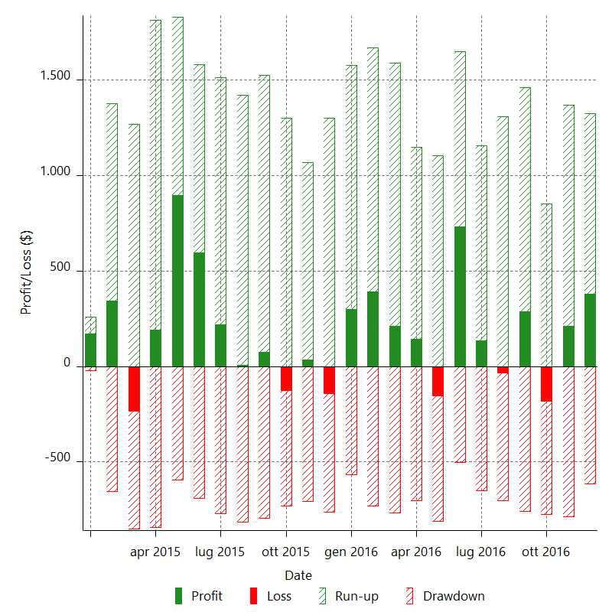

Monthly Returns & Drawdowns (%)

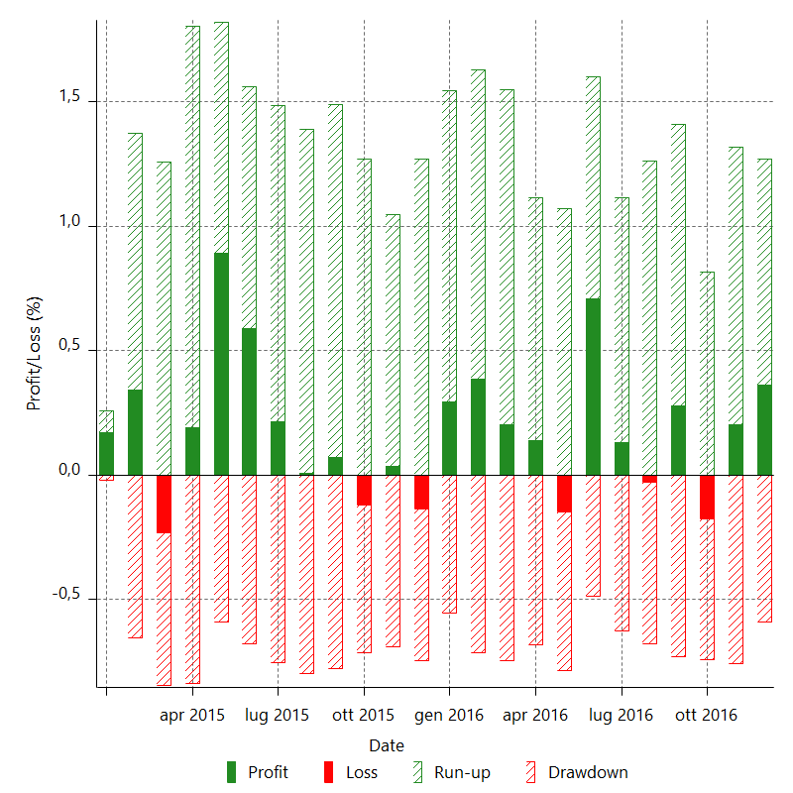

Monthly Accumulative Net Profit

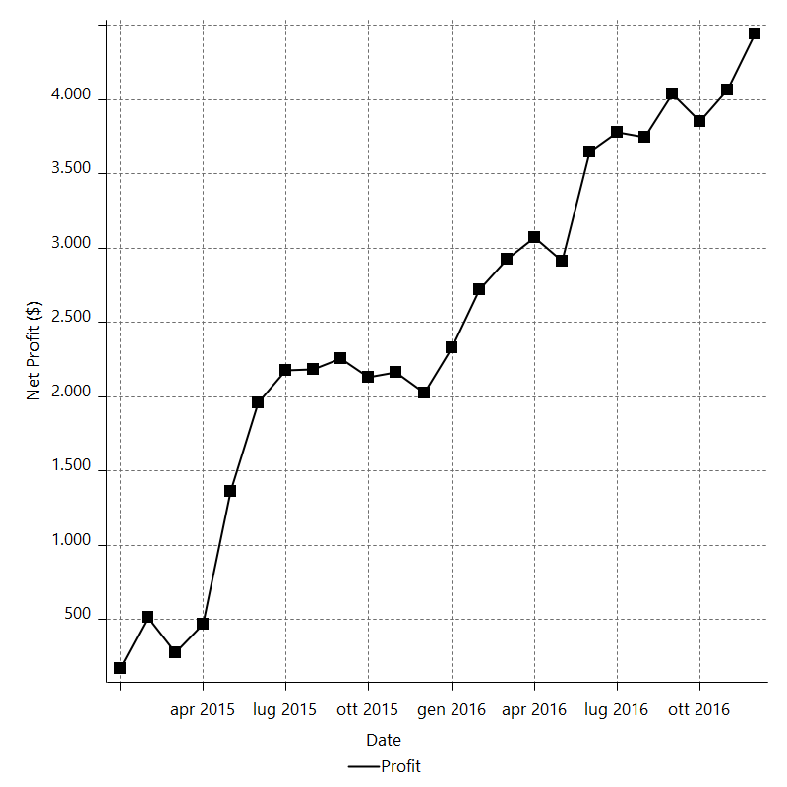

Average Profit By Month

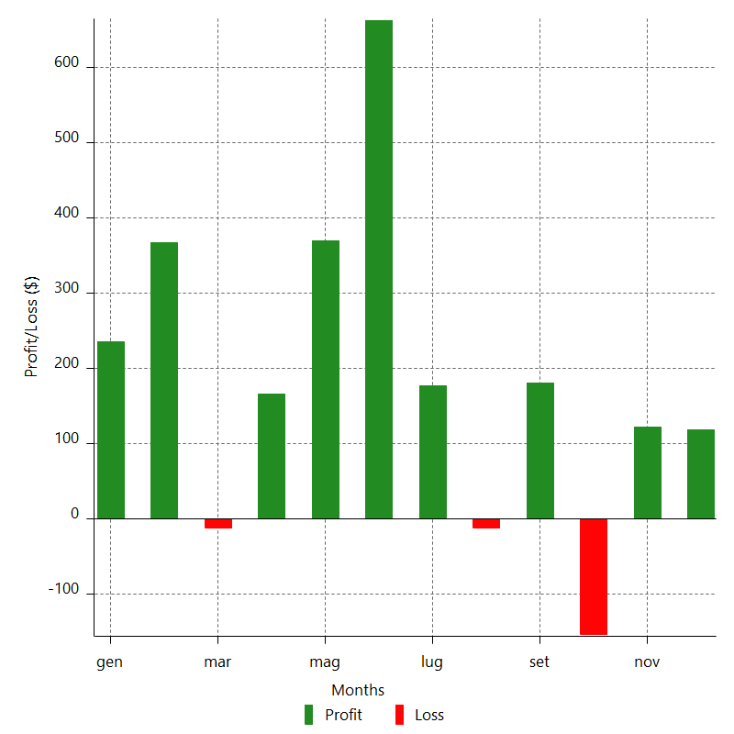

Annual Returns & Drawdowns

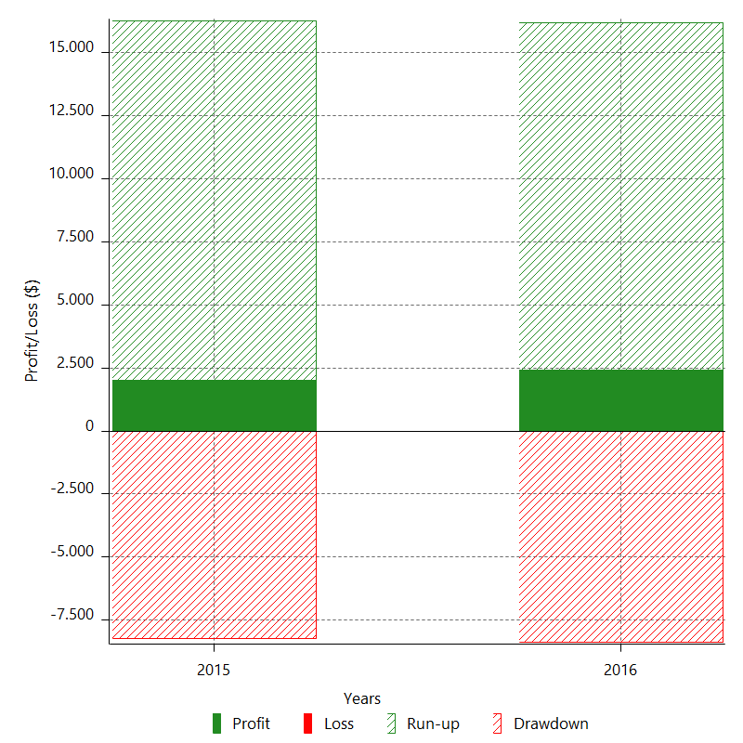

Annual Returns & Drawdowns (%)

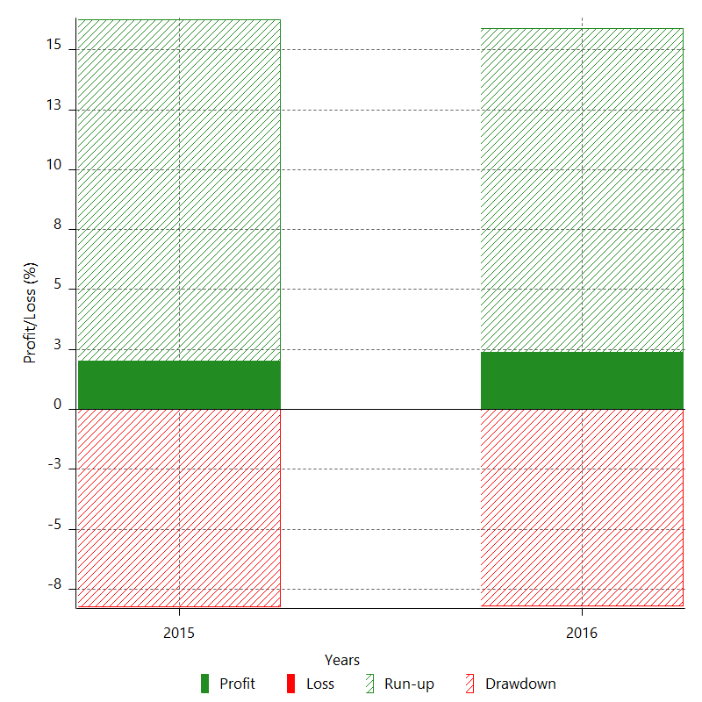

Annual Accumulative Net Profit

